Sheet1
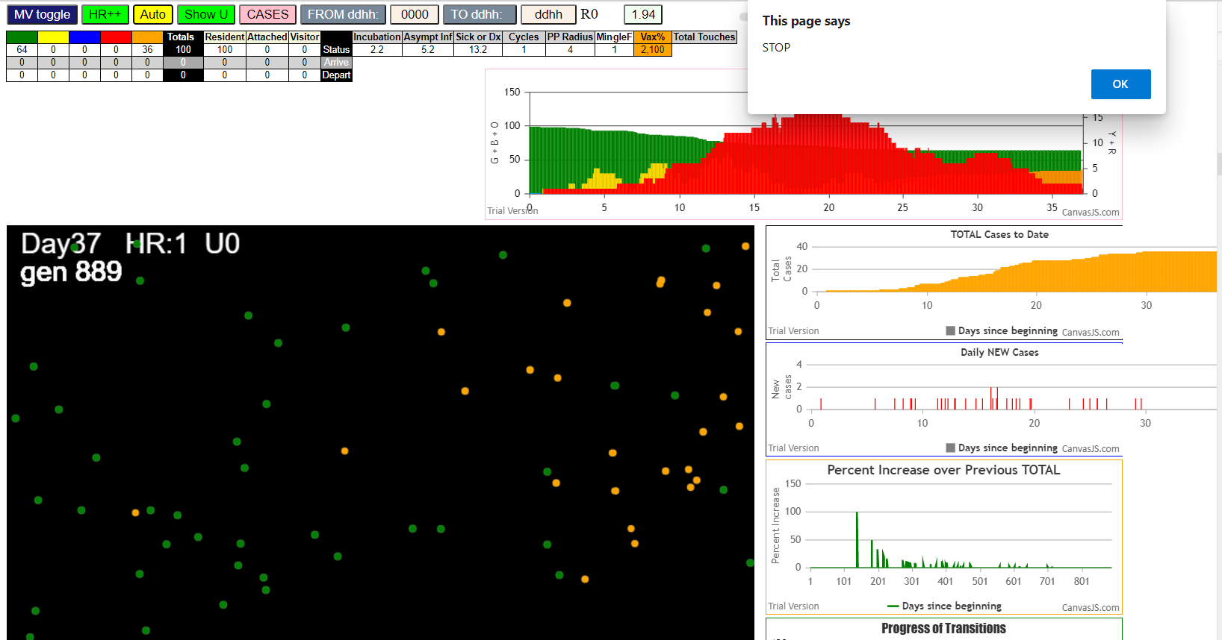
simulationRev2Vax.js:833 Thu Jan 07 2021 14:10:13 GMT-0800 (Pacific Standard Time)
simulationRev2Vax.js:834 CovidSIMVL Mode1 and Mod2 Hybrid 35d
simulationRev2Vax.js:835 Mode 1 >13 and <36 is 75%
simulationRev2Vax.js:836 Mode 2 >28 is 95%; >13 and <29 is 75%
simulationRev2Vax.js:4305 exit covidSim
simulationRev2Vax.js:23 getAsText File
simulationRev2Vax.js:32 File
simulationRev2Vax.js:23 getAsText File
simulationRev2Vax.js:32 File
simulationRev2Vax.js:1666 Mode 1,100 modified
simulationRev2Vax.js:1682 (100) [0, 1, 2, 3, 4, 5, 6, 7, 8, 9, 10, 11, 12, 13, 14, 15, 16, 17, 18, 19, 20, 21, 22, 23, 24, 25, 26, 27, 28, 29, 30, 31, 32, 33, 34, 35, 36, 37, 38, 39, 40, 41, 42, 43, 44, 45, 46, 47, 48, 49, 50, 51, 52, 53, 54, 55, 56, 57, 58, 59, 60, 61, 62, 63, 64, 65, 66, 67, 68, 69, 70, 71, 72, 73, 74, 75, 76, 77, 78, 79, 80, 81, 82, 83, 84, 85, 86, 87, 88, 89, 90, 91, 92, 93, 94, 95, 96, 97, 98, 99]
simulationRev2Vax.js:1692 (99) [0, 1, 2, 3, 4, 6, 7, 8, 9, 10, 11, 12, 13, 14, 15, 16, 17, 18, 19, 20, 21, 22, 23, 24, 25, 26, 27, 28, 29, 30, 31, 32, 33, 34, 35, 36, 37, 38, 39, 40, 41, 42, 43, 44, 45, 46, 47, 48, 49, 50, 51, 52, 53, 54, 55, 56, 57, 58, 59, 60, 61, 62, 63, 64, 65, 66, 67, 68, 69, 70, 71, 72, 73, 74, 75, 76, 77, 78, 79, 80, 81, 82, 83, 84, 85, 86, 87, 88, 89, 90, 91, 92, 93, 94, 95, 96, 97, 98, 99]
simulationRev2Vax.js:1720 Vaccination list = 99
simulationRev2Vax.js:1734 vaccinated 89,93,49,63,74,24,0,91,30,79,85,31,80,61,78,33,96,50,60,20,9,84,35,22,81,75,43,76,77,97,3,54,73,64,44,27,47,10,11,87,90,92,23,66,26,17,2,57,19,48,29,68,25,94,55,70,72,45,65,56,88,62,15,67,41,12,53,82,38,34,98,16,40,18,95,14,13,51,86,52,59,4,36,7,42,28,83,32,37,6,69,46,99,39,71,8,58,1,21
simulationRev2Vax.js:2140 1I j:famKey 25:-1 infected by blue i:famKey 5:-1 at gen 5 in Univ0 prob=0.513
simulationRev2Vax.js:2140 2I j:famKey 18:-1 infected by blue i:famKey 5:-1 at gen 13 in Univ0 prob=0.677
simulationRev2Vax.js:2140 3I j:famKey 47:-1 infected by red i:famKey 5:-1 at gen 44 in Univ0 prob=0.461
simulationRev2Vax.js:2140 4I j:famKey 58:-1 infected by red i:famKey 5:-1 at gen 58 in Univ0 prob=0.075
simulationRev2Vax.js:2140 5I j:famKey 30:-1 infected by red i:famKey 5:-1 at gen 82 in Univ0 prob=0.822
simulationRev2Vax.js:2140 6I j:famKey 85:-1 infected by red i:famKey 5:-1 at gen 84 in Univ0 prob=0.560
simulationRev2Vax.js:2140 7I j:famKey 86:-1 infected by red i:famKey 5:-1 at gen 89 in Univ0 prob=0.844
simulationRev2Vax.js:2140 8I j:famKey 55:-1 infected by blue i:famKey 18:-1 at gen 105 in Univ0 prob=0.279
simulationRev2Vax.js:2140 9I j:famKey 76:-1 infected by blue i:famKey 25:-1 at gen 108 in Univ0 prob=0.381
simulationRev2Vax.js:2140 10I j:famKey 44:-1 infected by red i:famKey 5:-1 at gen 113 in Univ0 prob=0.998
simulationRev2Vax.js:2140 11I j:famKey 28:-1 infected by blue i:famKey 25:-1 at gen 117 in Univ0 prob=0.324
simulationRev2Vax.js:2140 12I j:famKey 43:-1 infected by red i:famKey 5:-1 at gen 119 in Univ0 prob=0.273
simulationRev2Vax.js:2140 12I j:famKey 59:-1 infected by red i:famKey 5:-1 at gen 120 in Univ0 prob=0.015
simulationRev2Vax.js:2140 14I j:famKey 66:-1 infected by red i:famKey 25:-1 at gen 135 in Univ0 prob=0.483
simulationRev2Vax.js:2140 14I j:famKey 80:-1 infected by blue i:famKey 58:-1 at gen 135 in Univ0 prob=0.291
simulationRev2Vax.js:2140 16I j:famKey 9:-1 infected by red i:famKey 5:-1 at gen 143 in Univ0 prob=0.907
simulationRev2Vax.js:2140 16I j:famKey 37:-1 infected by red i:famKey 5:-1 at gen 143 in Univ0 prob=0.174
simulationRev2Vax.js:2157 18I i:famKey 31:-1 infected by blue j:famKey 47:-1 at gen 157 in U0 prob=0.056
simulationRev2Vax.js:2140 18I j:famKey 78:-1 infected by blue i:famKey 58:-1 at gen 158 in Univ0 prob=0.301
simulationRev2Vax.js:2140 20I j:famKey 21:-1 infected by red i:famKey 5:-1 at gen 162 in Univ0 prob=0.005
simulationRev2Vax.js:2140 20I j:famKey 48:-1 infected by red i:famKey 18:-1 at gen 163 in Univ0 prob=0.856
simulationRev2Vax.js:2140 22I j:famKey 40:-1 infected by red i:famKey 25:-1 at gen 165 in Univ0 prob=0.204
simulationRev2Vax.js:2157 23I i:famKey 65:-1 infected by blue j:famKey 76:-1 at gen 180 in U0 prob=0.173
simulationRev2Vax.js:2157 23I i:famKey 38:-1 infected by blue j:famKey 85:-1 at gen 181 in U0 prob=0.093
simulationRev2Vax.js:2157 23I i:famKey 54:-1 infected by blue j:famKey 76:-1 at gen 181 in U0 prob=0.130
simulationRev2Vax.js:2140 26I j:famKey 87:-1 infected by blue i:famKey 76:-1 at gen 202 in Univ0 prob=0.654
simulationRev2Vax.js:2157 27I i:famKey 51:-1 infected by blue j:famKey 59:-1 at gen 206 in U0 prob=0.434
simulationRev2Vax.js:2140 28I j:famKey 98:-1 infected by blue i:famKey 80:-1 at gen 209 in Univ0 prob=0.435
simulationRev2Vax.js:2140 29I j:famKey 63:-1 infected by blue i:famKey 9:-1 at gen 216 in Univ0 prob=0.698
simulationRev2Vax.js:2140 30I j:famKey 42:-1 infected by blue i:famKey 9:-1 at gen 221 in Univ0 prob=0.687
simulationRev2Vax.js:2140 30I j:famKey 62:-1 infected by blue i:famKey 40:-1 at gen 222 in Univ0 prob=0.596
simulationRev2Vax.js:2140 31I j:famKey 89:-1 infected by red i:famKey 86:-1 at gen 223 in Univ0 prob=0.316
simulationRev2Vax.js:2157 33I i:famKey 39:-1 infected by blue j:famKey 44:-1 at gen 225 in U0 prob=0.582
simulationRev2Vax.js:2140 33I j:famKey 95:-1 infected by red i:famKey 85:-1 at gen 226 in Univ0 prob=0.251
simulationRev2Vax.js:2157 34I i:famKey 2:-1 infected by yellow j:famKey 95:-1 at gen 227 in U0 prob=0.271
simulationRev2Vax.js:2140 35I j:famKey 10:-1 infected by blue i:famKey 9:-1 at gen 228 in Univ0 prob=0.324
simulationRev2Vax.js:2157 35I i:famKey 10:-1 infected by blue j:famKey 78:-1 at gen 228 in U0 prob=0.759
simulationRev2Vax.js:2140 37I j:famKey 56:-1 infected by blue i:famKey 31:-1 at gen 231 in Univ0 prob=0.229
simulationRev2Vax.js:2140 37I j:famKey 72:-1 infected by blue i:famKey 31:-1 at gen 231 in Univ0 prob=0.958
simulationRev2Vax.js:2140 39I j:famKey 75:-1 infected by blue i:famKey 40:-1 at gen 238 in Univ0 prob=0.091
simulationRev2Vax.js:2140 39I j:famKey 88:-1 infected by red i:famKey 85:-1 at gen 239 in Univ0 prob=0.544
simulationRev2Vax.js:2140 39I j:famKey 96:-1 infected by red i:famKey 86:-1 at gen 239 in Univ0 prob=0.981
simulationRev2Vax.js:2157 42I i:famKey 71:-1 infected by red j:famKey 85:-1 at gen 243 in U0 prob=0.318
simulationRev2Vax.js:2157 43I i:famKey 4:-1 infected by red j:famKey 44:-1 at gen 249 in U0 prob=0.389
simulationRev2Vax.js:2157 44I i:famKey 20:-1 infected by blue j:famKey 38:-1 at gen 263 in U0 prob=0.382
simulationRev2Vax.js:2140 45I j:famKey 45:-1 infected by red i:famKey 28:-1 at gen 275 in Univ0 prob=0.689
simulationRev2Vax.js:2157 46I i:famKey 1:-1 infected by blue j:famKey 38:-1 at gen 282 in U0 prob=0.333
simulationRev2Vax.js:2157 46I i:famKey 11:-1 infected by blue j:famKey 40:-1 at gen 282 in U0 prob=0.959
simulationRev2Vax.js:2157 48I i:famKey 53:-1 infected by red j:famKey 85:-1 at gen 286 in U0 prob=0.033
simulationRev2Vax.js:2140 49I j:famKey 52:-1 infected by blue i:famKey 38:-1 at gen 291 in Univ0 prob=0.664
simulationRev2Vax.js:2140 49I j:famKey 82:-1 infected by yellow i:famKey 53:-1 at gen 291 in Univ0 prob=0.841
simulationRev2Vax.js:2140 49I j:famKey 99:-1 infected by red i:famKey 76:-1 at gen 291 in Univ0 prob=0.667
simulationRev2Vax.js:2157 52I i:famKey 93:-1 infected by blue j:famKey 98:-1 at gen 294 in U0 prob=0.583
simulationRev2Vax.js:2157 53I i:famKey 0:-1 infected by red j:famKey 40:-1 at gen 297 in U0 prob=0.405
simulationRev2Vax.js:2157 53I i:famKey 70:-1 infected by blue j:famKey 98:-1 at gen 297 in U0 prob=0.338
simulationRev2Vax.js:2140 53I j:famKey 91:-1 infected by blue i:famKey 87:-1 at gen 298 in Univ0 prob=0.868
simulationRev2Vax.js:2140 55I j:famKey 13:-1 infected by yellow i:famKey 0:-1 at gen 299 in Univ0 prob=0.469
simulationRev2Vax.js:2157 57I i:famKey 27:-1 infected by red j:famKey 47:-1 at gen 301 in U0 prob=0.698
simulationRev2Vax.js:2140 58I j:famKey 92:-1 infected by red i:famKey 30:-1 at gen 304 in Univ0 prob=0.919
simulationRev2Vax.js:2157 58I i:famKey 60:-1 infected by blue j:famKey 71:-1 at gen 305 in U0 prob=0.604
simulationRev2Vax.js:2140 60I j:famKey 84:-1 infected by blue i:famKey 39:-1 at gen 314 in Univ0 prob=0.143
simulationRev2Vax.js:2140 60I j:famKey 64:-1 infected by blue i:famKey 51:-1 at gen 314 in Univ0 prob=0.088
simulationRev2Vax.js:2140 60I j:famKey 79:-1 infected by red i:famKey 38:-1 at gen 315 in Univ0 prob=0.895
simulationRev2Vax.js:2140 63I j:famKey 97:-1 infected by blue i:famKey 39:-1 at gen 340 in Univ0 prob=0.853
simulationRev2Vax.js:2157 64I i:famKey 34:-1 infected by blue j:famKey 71:-1 at gen 345 in U0 prob=0.861
simulationRev2Vax.js:2157 65I i:famKey 22:-1 infected by red j:famKey 80:-1 at gen 356 in U0 prob=0.775
simulationRev2Vax.js:2157 66I i:famKey 19:-1 infected by red j:famKey 85:-1 at gen 363 in U0 prob=0.886
simulationRev2Vax.js:2140 67I j:famKey 94:-1 infected by red i:famKey 4:-1 at gen 366 in Univ0 prob=0.895
simulationRev2Vax.js:2140 68I j:famKey 57:-1 infected by blue i:famKey 1:-1 at gen 371 in Univ0 prob=0.822
simulationRev2Vax.js:2157 68I i:famKey 74:-1 infected by blue j:famKey 91:-1 at gen 371 in U0 prob=0.819
simulationRev2Vax.js:2140 68I j:famKey 16:-1 infected by blue i:famKey 0:-1 at gen 372 in Univ0 prob=0.912
simulationRev2Vax.js:2140 71I j:famKey 14:-1 infected by blue i:famKey 0:-1 at gen 380 in Univ0 prob=0.990
simulationRev2Vax.js:2157 72I i:famKey 69:-1 infected by red j:famKey 71:-1 at gen 383 in U0 prob=0.954
simulationRev2Vax.js:2140 73I j:famKey 81:-1 infected by red i:famKey 53:-1 at gen 414 in Univ0 prob=0.888
simulationRev2Vax.js:2140 74I j:famKey 26:-1 infected by red i:famKey 4:-1 at gen 426 in Univ0 prob=0.905
simulationRev2Vax.js:2140 75I j:famKey 83:-1 infected by red i:famKey 13:-1 at gen 435 in Univ0 prob=0.755
simulationRev2Vax.js:2157 76I i:famKey 46:-1 infected by red j:famKey 51:-1 at gen 446 in U0 prob=0.950
simulationRev2Vax.js:2157 76I i:famKey 33:-1 infected by blue j:famKey 94:-1 at gen 447 in U0 prob=0.942
simulationRev2Vax.js:2157 78I i:famKey 24:-1 infected by red j:famKey 53:-1 at gen 466 in U0 prob=0.907
simulationRev2Vax.js:2140 79I j:famKey 73:-1 infected by red i:famKey 72:-1 at gen 483 in Univ0 prob=0.956
simulationRev2Vax.js:2157 80I i:famKey 68:-1 infected by red j:famKey 71:-1 at gen 513 in U0 prob=0.850
simulationRev2Vax.js:2157 81I i:famKey 36:-1 infected by red j:famKey 97:-1 at gen 520 in U0 prob=0.782
simulationRev2Vax.js:2157 82I i:famKey 6:-1 infected by red j:famKey 11:-1 at gen 525 in U0 prob=0.780
simulationRev2Vax.js:2157 83I i:famKey 7:-1 infected by blue j:famKey 24:-1 at gen 542 in U0 prob=0.984
simulationRev2Vax.js:2140 84I j:famKey 50:-1 infected by red i:famKey 0:-1 at gen 553 in Univ0 prob=0.806
simulationRev2Vax.js:2157 85I i:famKey 12:-1 infected by red j:famKey 79:-1 at gen 567 in U0 prob=0.756
simulationRev2Vax.js:2140 86I j:famKey 61:-1 infected by red i:famKey 33:-1 at gen 571 in Univ0 prob=0.993
simulationRev2Vax.js:2157 87I i:famKey 67:-1 infected by blue j:famKey 73:-1 at gen 577 in U0 prob=0.809
simulationRev2Vax.js:2157 88I i:famKey 3:-1 infected by blue j:famKey 68:-1 at gen 634 in U0 prob=0.936
simulationRev2Vax.js:2157 89I i:famKey 8:-1 infected by blue j:famKey 61:-1 at gen 658 in U0 prob=0.944
simulationRev2Vax.js:2157 90I i:famKey 29:-1 infected by blue j:famKey 50:-1 at gen 664 in U0 prob=1.000
simulationRev2Vax.js:2140 91I j:famKey 41:-1 infected by red i:famKey 7:-1 at gen 695 in Univ0 prob=0.920
simulationRev2Vax.js:2157 92I i:famKey 32:-1 infected by red j:famKey 36:-1 at gen 742 in U0 prob=0.764
simulationRev2Vax.js:2140 93I j:famKey 77:-1 infected by blue i:famKey 41:-1 at gen 758 in Univ0 prob=0.905
simulationRev2Vax.js:2140 94I j:famKey 35:-1 infected by red i:famKey 29:-1 at gen 867 in Univ0 prob=0.502
simulationRev2Vax.js:2157 95I i:famKey 17:-1 infected by red j:famKey 41:-1 at gen 951 in U0 prob=0.381
simulationRev2Vax.js:2157 96I i:famKey 23:-1 infected by blue j:famKey 35:-1 at gen 954 in U0 prob=0.596

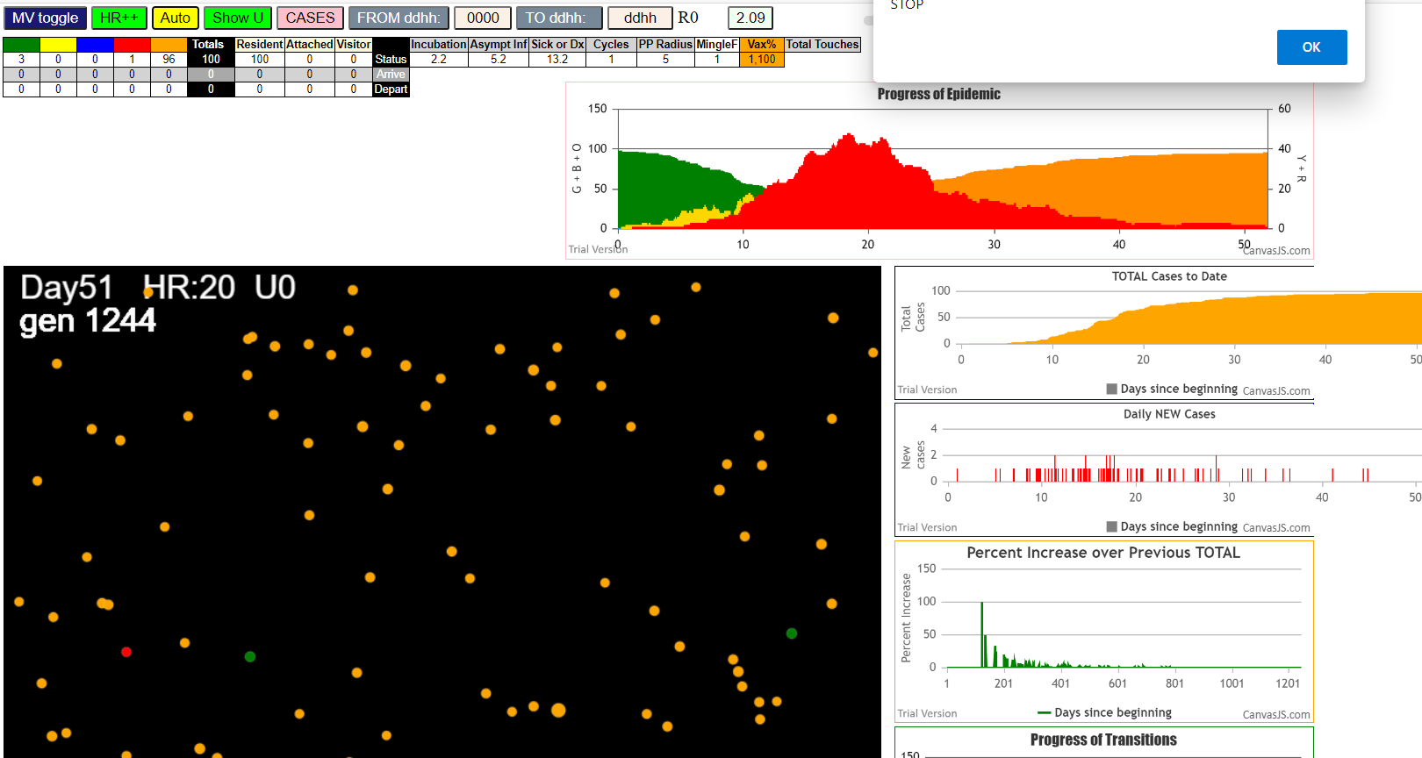

simulationRev2Vax.js:833 Thu Jan 07 2021 16:11:52 GMT-0800 (Pacific Standard Time)
simulationRev2Vax.js:834 CovidSIMVL Mode1 and Mod2 Hybrid 35d
simulationRev2Vax.js:835 Mode 1 >13 and <36 is 75%
simulationRev2Vax.js:836 Mode 2 >28 is 95%; >13 and <29 is 75%
simulationRev2Vax.js:4305 exit covidSim
simulationRev2Vax.js:23 getAsText File
simulationRev2Vax.js:32 File
simulationRev2Vax.js:23 getAsText File
simulationRev2Vax.js:32 File
simulationRev2Vax.js:1666 Mode 2,100 modified
simulationRev2Vax.js:1682 Array(100)
simulationRev2Vax.js:1692 Array(0)
simulationRev2Vax.js:1720 Vaccination list = 99
simulationRev2Vax.js:1734 vaccinated 88,64,33,47,81,10,46,40,74,80,38,18,50,71,51,68,77,9,2,42,84,45,17,3,26,85,52,39,97,75,53,60,29,8,32,24,72,28,61,94,36,11,58,15,65,7,86,62,0,20,95,14,37,98,93,89,55,35,57,96,19,99,54,70,12,13,30,76,23,59,82,41,16,83,4,63,25,87,44,48,34,56,31,43,6,73,49,1,79,78,90,27,66,92,69,67,21,91,22
simulationRev2Vax.js:2140 101I j:famKey 32:-1 infected by blue i:famKey 5:-1 at gen 3 in Univ0 prob=0.443
simulationRev2Vax.js:2140 102I j:famKey 38:-1 infected by blue i:famKey 5:-1 at gen 7 in Univ0 prob=0.538
simulationRev2Vax.js:2140 103I j:famKey 39:-1 infected by red i:famKey 5:-1 at gen 61 in Univ0 prob=0.601
simulationRev2Vax.js:2140 104I j:famKey 65:-1 infected by blue i:famKey 38:-1 at gen 68 in Univ0 prob=0.241
simulationRev2Vax.js:2140 105I j:famKey 63:-1 infected by blue i:famKey 32:-1 at gen 78 in Univ0 prob=0.822
simulationRev2Vax.js:2140 106I j:famKey 60:-1 infected by blue i:famKey 38:-1 at gen 87 in Univ0 prob=0.013
simulationRev2Vax.js:2157 107I i:famKey 8:-1 infected by blue j:famKey 32:-1 at gen 92 in U0 prob=0.536
simulationRev2Vax.js:2140 108I j:famKey 83:-1 infected by red i:famKey 5:-1 at gen 131 in Univ0 prob=0.052
simulationRev2Vax.js:2157 109I i:famKey 3:-1 infected by blue j:famKey 8:-1 at gen 143 in U0 prob=0.651
simulationRev2Vax.js:2140 110I j:famKey 16:-1 infected by red i:famKey 5:-1 at gen 155 in Univ0 prob=0.589
simulationRev2Vax.js:2140 111I j:famKey 77:-1 infected by blue i:famKey 60:-1 at gen 159 in Univ0 prob=0.662
simulationRev2Vax.js:2157 112I i:famKey 10:-1 infected by blue j:famKey 65:-1 at gen 166 in U0 prob=0.809
simulationRev2Vax.js:2157 113I i:famKey 61:-1 infected by blue j:famKey 65:-1 at gen 177 in U0 prob=0.367
simulationRev2Vax.js:2157 114I i:famKey 19:-1 infected by red j:famKey 32:-1 at gen 180 in U0 prob=0.810
simulationRev2Vax.js:2140 114I j:famKey 90:-1 infected by red i:famKey 38:-1 at gen 181 in Univ0 prob=0.192
simulationRev2Vax.js:2140 114I j:famKey 90:-1 infected by blue i:famKey 63:-1 at gen 181 in Univ0 prob=0.345
simulationRev2Vax.js:2157 116I i:famKey 52:-1 infected by blue j:famKey 83:-1 at gen 188 in U0 prob=0.373
simulationRev2Vax.js:2140 117I j:famKey 91:-1 infected by blue i:famKey 60:-1 at gen 201 in Univ0 prob=0.650
simulationRev2Vax.js:2157 118I i:famKey 7:-1 infected by blue j:famKey 8:-1 at gen 206 in U0 prob=0.553
simulationRev2Vax.js:2157 119I i:famKey 41:-1 infected by red j:famKey 60:-1 at gen 224 in U0 prob=0.945
simulationRev2Vax.js:2140 120I j:famKey 46:-1 infected by red i:famKey 38:-1 at gen 231 in Univ0 prob=0.651
simulationRev2Vax.js:2140 121I j:famKey 97:-1 infected by red i:famKey 63:-1 at gen 233 in Univ0 prob=0.314
simulationRev2Vax.js:2157 122I i:famKey 2:-1 infected by red j:famKey 38:-1 at gen 239 in U0 prob=0.157
simulationRev2Vax.js:2157 123I i:famKey 12:-1 infected by blue j:famKey 77:-1 at gen 244 in U0 prob=0.890
simulationRev2Vax.js:2140 124I j:famKey 34:-1 infected by blue i:famKey 10:-1 at gen 249 in Univ0 prob=0.187
simulationRev2Vax.js:2157 124I i:famKey 34:-1 infected by red j:famKey 65:-1 at gen 249 in U0 prob=0.151
simulationRev2Vax.js:2157 125I i:famKey 84:-1 infected by blue j:famKey 90:-1 at gen 254 in U0 prob=0.181
simulationRev2Vax.js:2140 126I j:famKey 31:-1 infected by blue i:famKey 16:-1 at gen 256 in Univ0 prob=0.768
simulationRev2Vax.js:2157 127I i:famKey 17:-1 infected by red j:famKey 38:-1 at gen 258 in U0 prob=0.773
simulationRev2Vax.js:2157 128I i:famKey 28:-1 infected by red j:famKey 60:-1 at gen 260 in U0 prob=0.935
simulationRev2Vax.js:2157 129I i:famKey 9:-1 infected by red j:famKey 65:-1 at gen 263 in U0 prob=0.985
simulationRev2Vax.js:2157 129I i:famKey 35:-1 infected by blue j:famKey 90:-1 at gen 264 in U0 prob=0.853
simulationRev2Vax.js:2140 131I j:famKey 50:-1 infected by red i:famKey 38:-1 at gen 271 in Univ0 prob=0.202
simulationRev2Vax.js:2157 132I i:famKey 44:-1 infected by blue j:famKey 61:-1 at gen 278 in U0 prob=0.982
simulationRev2Vax.js:2157 133I i:famKey 26:-1 infected by blue j:famKey 91:-1 at gen 285 in U0 prob=0.881
simulationRev2Vax.js:2157 134I i:famKey 56:-1 infected by blue j:famKey 61:-1 at gen 288 in U0 prob=0.802
simulationRev2Vax.js:2140 134I j:famKey 23:-1 infected by blue i:famKey 7:-1 at gen 289 in Univ0 prob=0.839
simulationRev2Vax.js:2140 136I j:famKey 86:-1 infected by red i:famKey 65:-1 at gen 292 in Univ0 prob=0.269
simulationRev2Vax.js:2140 136I j:famKey 99:-1 infected by yellow i:famKey 9:-1 at gen 293 in Univ0 prob=0.940
simulationRev2Vax.js:2157 138I i:famKey 11:-1 infected by blue j:famKey 12:-1 at gen 296 in U0 prob=0.148
simulationRev2Vax.js:2157 139I i:famKey 15:-1 infected by yellow j:famKey 34:-1 at gen 300 in U0 prob=0.140
simulationRev2Vax.js:2157 139I i:famKey 53:-1 infected by red j:famKey 77:-1 at gen 301 in U0 prob=0.899
simulationRev2Vax.js:2140 139I j:famKey 80:-1 infected by red i:famKey 61:-1 at gen 301 in Univ0 prob=0.040
simulationRev2Vax.js:2140 142I j:famKey 76:-1 infected by red i:famKey 63:-1 at gen 311 in Univ0 prob=0.642
simulationRev2Vax.js:2140 143I j:famKey 68:-1 infected by blue i:famKey 12:-1 at gen 316 in Univ0 prob=0.677
simulationRev2Vax.js:2140 143I j:famKey 30:-1 infected by blue i:famKey 9:-1 at gen 317 in Univ0 prob=0.827
simulationRev2Vax.js:2157 143I i:famKey 21:-1 infected by red j:famKey 61:-1 at gen 317 in U0 prob=0.384
simulationRev2Vax.js:2140 146I j:famKey 48:-1 infected by yellow i:famKey 21:-1 at gen 328 in Univ0 prob=0.802
simulationRev2Vax.js:2140 147I j:famKey 51:-1 infected by blue i:famKey 41:-1 at gen 332 in Univ0 prob=0.094
simulationRev2Vax.js:2140 148I j:famKey 95:-1 infected by red i:famKey 77:-1 at gen 357 in Univ0 prob=0.832
simulationRev2Vax.js:2140 148I j:famKey 18:-1 infected by blue i:famKey 17:-1 at gen 358 in Univ0 prob=0.985
simulationRev2Vax.js:2140 150I j:famKey 85:-1 infected by blue i:famKey 23:-1 at gen 362 in Univ0 prob=0.991
simulationRev2Vax.js:2140 151I j:famKey 74:-1 infected by red i:famKey 12:-1 at gen 368 in Univ0 prob=0.926
simulationRev2Vax.js:2157 152I i:famKey 20:-1 infected by blue j:famKey 56:-1 at gen 372 in U0 prob=0.886
simulationRev2Vax.js:2140 152I j:famKey 70:-1 infected by blue i:famKey 26:-1 at gen 372 in Univ0 prob=0.891
simulationRev2Vax.js:2140 154I j:famKey 73:-1 infected by blue i:famKey 15:-1 at gen 374 in Univ0 prob=0.905
simulationRev2Vax.js:2140 154I j:famKey 81:-1 infected by red i:famKey 34:-1 at gen 375 in Univ0 prob=0.902
simulationRev2Vax.js:2140 156I j:famKey 69:-1 infected by red i:famKey 10:-1 at gen 377 in Univ0 prob=0.917
simulationRev2Vax.js:2140 157I j:famKey 96:-1 infected by yellow i:famKey 18:-1 at gen 406 in Univ0 prob=0.981
simulationRev2Vax.js:2140 157I j:famKey 88:-1 infected by blue i:famKey 21:-1 at gen 407 in Univ0 prob=0.755
simulationRev2Vax.js:2140 158I j:famKey 89:-1 infected by blue i:famKey 51:-1 at gen 408 in Univ0 prob=0.846
simulationRev2Vax.js:2157 159I i:famKey 49:-1 infected by blue j:famKey 76:-1 at gen 409 in U0 prob=0.820
simulationRev2Vax.js:2140 161I j:famKey 92:-1 infected by red i:famKey 56:-1 at gen 424 in Univ0 prob=0.803
simulationRev2Vax.js:2157 162I i:famKey 58:-1 infected by blue j:famKey 95:-1 at gen 438 in U0 prob=0.893
simulationRev2Vax.js:2157 163I i:famKey 78:-1 infected by red j:famKey 99:-1 at gen 442 in U0 prob=0.947
simulationRev2Vax.js:2140 164I j:famKey 66:-1 infected by red i:famKey 53:-1 at gen 446 in Univ0 prob=0.947
simulationRev2Vax.js:2140 165I j:famKey 71:-1 infected by red i:famKey 53:-1 at gen 451 in Univ0 prob=0.867
simulationRev2Vax.js:2157 166I i:famKey 4:-1 infected by blue j:famKey 18:-1 at gen 453 in U0 prob=0.976
simulationRev2Vax.js:2140 167I j:famKey 36:-1 infected by red i:famKey 9:-1 at gen 460 in Univ0 prob=0.959
simulationRev2Vax.js:2157 168I i:famKey 1:-1 infected by red j:famKey 99:-1 at gen 469 in U0 prob=0.907
simulationRev2Vax.js:2140 169I j:famKey 67:-1 infected by yellow i:famKey 1:-1 at gen 472 in Univ0 prob=0.891
simulationRev2Vax.js:2157 170I i:famKey 24:-1 infected by red j:famKey 84:-1 at gen 487 in U0 prob=0.821
simulationRev2Vax.js:2157 171I i:famKey 25:-1 infected by red j:famKey 56:-1 at gen 499 in U0 prob=0.999
simulationRev2Vax.js:2157 172I i:famKey 59:-1 infected by blue j:famKey 92:-1 at gen 502 in U0 prob=0.843
simulationRev2Vax.js:2140 172I j:famKey 98:-1 infected by red i:famKey 9:-1 at gen 503 in Univ0 prob=0.836
simulationRev2Vax.js:2140 174I j:famKey 27:-1 infected by red i:famKey 9:-1 at gen 505 in Univ0 prob=0.970
simulationRev2Vax.js:2140 175I j:famKey 79:-1 infected by blue i:famKey 58:-1 at gen 524 in Univ0 prob=0.934
simulationRev2Vax.js:2140 176I j:famKey 45:-1 infected by blue i:famKey 4:-1 at gen 526 in Univ0 prob=0.986
simulationRev2Vax.js:2157 176I i:famKey 45:-1 infected by red j:famKey 50:-1 at gen 526 in U0 prob=0.367
simulationRev2Vax.js:2157 177I i:famKey 57:-1 infected by red j:famKey 68:-1 at gen 535 in U0 prob=0.960
simulationRev2Vax.js:2140 178I j:famKey 72:-1 infected by red i:famKey 17:-1 at gen 541 in Univ0 prob=0.998
simulationRev2Vax.js:2140 179I j:famKey 82:-1 infected by red i:famKey 73:-1 at gen 556 in Univ0 prob=0.837
simulationRev2Vax.js:2140 180I j:famKey 75:-1 infected by blue i:famKey 36:-1 at gen 566 in Univ0 prob=0.766
simulationRev2Vax.js:2157 181I i:famKey 37:-1 infected by red j:famKey 58:-1 at gen 599 in U0 prob=0.769
simulationRev2Vax.js:2140 182I j:famKey 93:-1 infected by red i:famKey 78:-1 at gen 607 in Univ0 prob=0.901
simulationRev2Vax.js:2157 183I i:famKey 33:-1 infected by blue j:famKey 45:-1 at gen 634 in U0 prob=0.996
simulationRev2Vax.js:2157 184I i:famKey 62:-1 infected by red j:famKey 85:-1 at gen 648 in U0 prob=0.861
simulationRev2Vax.js:2157 185I i:famKey 29:-1 infected by red j:famKey 69:-1 at gen 660 in U0 prob=0.999
simulationRev2Vax.js:2140 186I j:famKey 94:-1 infected by red i:famKey 59:-1 at gen 690 in Univ0 prob=0.951
simulationRev2Vax.js:2140 187I j:famKey 43:-1 infected by red i:famKey 4:-1 at gen 734 in Univ0 prob=0.971

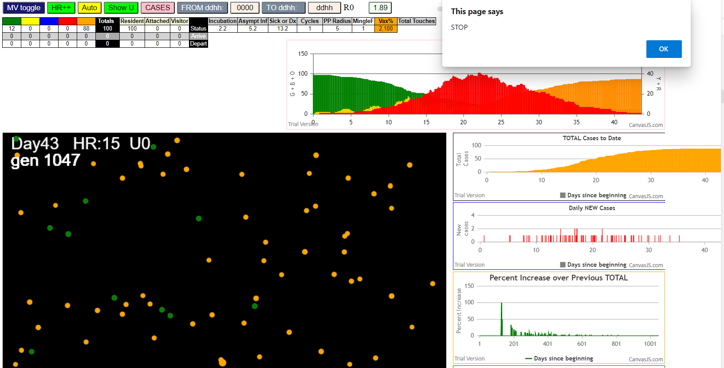

simulationRev2Vax.js:833 Thu Jan 07 2021 16:16:58 GMT-0800 (Pacific Standard Time)
simulationRev2Vax.js:834 CovidSIMVL Mode1 and Mod2 Hybrid 35d
simulationRev2Vax.js:835 Mode 1 >13 and <36 is 75%
simulationRev2Vax.js:836 Mode 2 >28 is 95%; >13 and <29 is 75%
simulationRev2Vax.js:4305 exit covidSim
simulationRev2Vax.js:23 getAsText File {name: "HundredAgentsU0mF1.csv", lastModified: 1608077990000, lastModifiedDate: Tue Dec 15 2020 16:19:50 GMT-0800 (Pacific Standard Time), webkitRelativePath: "", size: 2140, …}
simulationRev2Vax.js:32 File {name: "HundredAgentsU0mF1.csv", lastModified: 1608077990000, lastModifiedDate: Tue Dec 15 2020 16:19:50 GMT-0800 (Pacific Standard Time), webkitRelativePath: "", size: 2140, …}
simulationRev2Vax.js:23 getAsText File {name: "VL1.csv", lastModified: 1608081530000, lastModifiedDate: Tue Dec 15 2020 17:18:50 GMT-0800 (Pacific Standard Time), webkitRelativePath: "", size: 65, …}
simulationRev2Vax.js:32 File {name: "VL1.csv", lastModified: 1608081530000, lastModifiedDate: Tue Dec 15 2020 17:18:50 GMT-0800 (Pacific Standard Time), webkitRelativePath: "", size: 65, …}
simulationRev2Vax.js:1622 Red Days changed to 9.2
simulationRev2Vax.js:1666 Mode 1,100 modified
simulationRev2Vax.js:1682 (100) [0, 1, 2, 3, 4, 5, 6, 7, 8, 9, 10, 11, 12, 13, 14, 15, 16, 17, 18, 19, 20, 21, 22, 23, 24, 25, 26, 27, 28, 29, 30, 31, 32, 33, 34, 35, 36, 37, 38, 39, 40, 41, 42, 43, 44, 45, 46, 47, 48, 49, 50, 51, 52, 53, 54, 55, 56, 57, 58, 59, 60, 61, 62, 63, 64, 65, 66, 67, 68, 69, 70, 71, 72, 73, 74, 75, 76, 77, 78, 79, 80, 81, 82, 83, 84, 85, 86, 87, 88, 89, 90, 91, 92, 93, 94, 95, 96, 97, 98, 99]
simulationRev2Vax.js:1692 (99) [0, 1, 2, 3, 4, 6, 7, 8, 9, 10, 11, 12, 13, 14, 15, 16, 17, 18, 19, 20, 21, 22, 23, 24, 25, 26, 27, 28, 29, 30, 31, 32, 33, 34, 35, 36, 37, 38, 39, 40, 41, 42, 43, 44, 45, 46, 47, 48, 49, 50, 51, 52, 53, 54, 55, 56, 57, 58, 59, 60, 61, 62, 63, 64, 65, 66, 67, 68, 69, 70, 71, 72, 73, 74, 75, 76, 77, 78, 79, 80, 81, 82, 83, 84, 85, 86, 87, 88, 89, 90, 91, 92, 93, 94, 95, 96, 97, 98, 99]
simulationRev2Vax.js:1720 Vaccination list = 99
simulationRev2Vax.js:1734 vaccinated 11,90,60,2,38,1,87,96,88,94,72,19,27,53,65,29,46,32,36,51,77,24,13,74,73,28,71,21,50,10,82,16,22,54,84,63,86,62,85,80,20,37,52,14,55,66,98,56,3,15,99,4,48,70,83,79,26,23,33,39,93,31,75,58,68,25,40,81,67,64,76,57,30,12,0,7,49,78,35,18,44,89,47,43,34,61,59,6,42,95,92,17,97,45,69,91,41,8,9
simulationRev2Vax.js:2140 1I j:famKey 11:-1 infected by blue i:famKey 5:-1 at gen 13 in Univ0 prob=0.024
simulationRev2Vax.js:2140 2I j:famKey 16:-1 infected by red i:famKey 5:-1 at gen 20 in Univ0 prob=0.659
simulationRev2Vax.js:2140 3I j:famKey 65:-1 infected by red i:famKey 5:-1 at gen 49 in Univ0 prob=0.795
simulationRev2Vax.js:2140 4I j:famKey 10:-1 infected by red i:famKey 5:-1 at gen 55 in Univ0 prob=0.007
simulationRev2Vax.js:2140 4I j:famKey 35:-1 infected by red i:famKey 5:-1 at gen 55 in Univ0 prob=0.477
simulationRev2Vax.js:2140 6I j:famKey 49:-1 infected by red i:famKey 5:-1 at gen 65 in Univ0 prob=0.299
simulationRev2Vax.js:2140 7I j:famKey 44:-1 infected by blue i:famKey 11:-1 at gen 111 in Univ0 prob=0.144
simulationRev2Vax.js:2140 8I j:famKey 31:-1 infected by blue i:famKey 16:-1 at gen 113 in Univ0 prob=0.001
simulationRev2Vax.js:2157 9I i:famKey 34:-1 infected by blue j:famKey 49:-1 at gen 120 in U0 prob=0.746
simulationRev2Vax.js:2140 10I j:famKey 53:-1 infected by blue i:famKey 10:-1 at gen 123 in Univ0 prob=0.354
simulationRev2Vax.js:2157 11I i:famKey 7:-1 infected by blue j:famKey 10:-1 at gen 129 in U0 prob=0.855
simulationRev2Vax.js:2157 11I i:famKey 15:-1 infected by blue j:famKey 65:-1 at gen 129 in U0 prob=0.803
simulationRev2Vax.js:2157 13I i:famKey 14:-1 infected by blue j:famKey 49:-1 at gen 138 in U0 prob=0.135
simulationRev2Vax.js:2140 14I j:famKey 59:-1 infected by red i:famKey 16:-1 at gen 147 in Univ0 prob=0.049
simulationRev2Vax.js:2157 15I i:famKey 39:-1 infected by blue j:famKey 65:-1 at gen 149 in U0 prob=0.622
simulationRev2Vax.js:2140 16I j:famKey 83:-1 infected by blue i:famKey 10:-1 at gen 153 in Univ0 prob=0.309
simulationRev2Vax.js:2140 17I j:famKey 98:-1 infected by blue i:famKey 31:-1 at gen 162 in Univ0 prob=0.646
simulationRev2Vax.js:2157 18I i:famKey 12:-1 infected by blue j:famKey 35:-1 at gen 166 in U0 prob=0.113
simulationRev2Vax.js:2157 19I i:famKey 19:-1 infected by red j:famKey 65:-1 at gen 173 in U0 prob=0.343
simulationRev2Vax.js:2157 20I i:famKey 0:-1 infected by red j:famKey 65:-1 at gen 180 in U0 prob=0.925
simulationRev2Vax.js:2157 20I i:famKey 36:-1 infected by red j:famKey 65:-1 at gen 180 in U0 prob=0.376
simulationRev2Vax.js:2140 22I j:famKey 58:-1 infected by blue i:famKey 44:-1 at gen 185 in Univ0 prob=0.594
simulationRev2Vax.js:2140 23I j:famKey 55:-1 infected by red i:famKey 10:-1 at gen 187 in Univ0 prob=0.113
simulationRev2Vax.js:2157 24I i:famKey 20:-1 infected by red j:famKey 35:-1 at gen 189 in U0 prob=0.996
simulationRev2Vax.js:2140 25I j:famKey 61:-1 infected by blue i:famKey 31:-1 at gen 203 in Univ0 prob=0.659
simulationRev2Vax.js:2157 25I i:famKey 47:-1 infected by red j:famKey 65:-1 at gen 203 in U0 prob=0.540
simulationRev2Vax.js:2140 27I j:famKey 42:-1 infected by red i:famKey 10:-1 at gen 215 in Univ0 prob=0.248
simulationRev2Vax.js:2140 27I j:famKey 43:-1 infected by red i:famKey 10:-1 at gen 215 in Univ0 prob=0.401
simulationRev2Vax.js:2140 27I j:famKey 51:-1 infected by blue i:famKey 34:-1 at gen 216 in Univ0 prob=0.830
simulationRev2Vax.js:2140 30I j:famKey 76:-1 infected by red i:famKey 65:-1 at gen 221 in Univ0 prob=0.363
simulationRev2Vax.js:2140 31I j:famKey 72:-1 infected by blue i:famKey 31:-1 at gen 224 in Univ0 prob=0.100
simulationRev2Vax.js:2157 31I i:famKey 75:-1 infected by blue j:famKey 83:-1 at gen 225 in U0 prob=0.180
simulationRev2Vax.js:2140 33I j:famKey 62:-1 infected by red i:famKey 10:-1 at gen 237 in Univ0 prob=0.292
simulationRev2Vax.js:2140 33I j:famKey 96:-1 infected by red i:famKey 65:-1 at gen 237 in Univ0 prob=0.871
simulationRev2Vax.js:2140 35I j:famKey 84:-1 infected by blue i:famKey 58:-1 at gen 247 in Univ0 prob=0.479
simulationRev2Vax.js:2140 36I j:famKey 88:-1 infected by red i:famKey 35:-1 at gen 253 in Univ0 prob=0.106
simulationRev2Vax.js:2140 37I j:famKey 50:-1 infected by blue i:famKey 47:-1 at gen 257 in Univ0 prob=0.047
simulationRev2Vax.js:2140 38I j:famKey 94:-1 infected by red i:famKey 10:-1 at gen 264 in Univ0 prob=0.717
simulationRev2Vax.js:2157 38I i:famKey 54:-1 infected by red j:famKey 59:-1 at gen 264 in U0 prob=0.149
simulationRev2Vax.js:2157 40I i:famKey 67:-1 infected by blue j:famKey 83:-1 at gen 270 in U0 prob=0.710
simulationRev2Vax.js:2157 41I i:famKey 2:-1 infected by blue j:famKey 61:-1 at gen 287 in U0 prob=0.239
simulationRev2Vax.js:2157 42I i:famKey 40:-1 infected by blue j:famKey 42:-1 at gen 293 in U0 prob=0.938
simulationRev2Vax.js:2157 42I i:famKey 48:-1 infected by blue j:famKey 76:-1 at gen 293 in U0 prob=0.937
simulationRev2Vax.js:2157 44I i:famKey 23:-1 infected by blue j:famKey 43:-1 at gen 299 in U0 prob=0.873
simulationRev2Vax.js:2140 45I j:famKey 69:-1 infected by red i:famKey 36:-1 at gen 301 in Univ0 prob=0.386
simulationRev2Vax.js:2140 45I j:famKey 92:-1 infected by blue i:famKey 72:-1 at gen 302 in Univ0 prob=0.502
simulationRev2Vax.js:2140 45I j:famKey 77:-1 infected by blue i:famKey 75:-1 at gen 302 in Univ0 prob=0.233
simulationRev2Vax.js:2157 48I i:famKey 41:-1 infected by blue j:famKey 43:-1 at gen 309 in U0 prob=0.266
simulationRev2Vax.js:2157 48I i:famKey 68:-1 infected by blue j:famKey 96:-1 at gen 310 in U0 prob=0.341
simulationRev2Vax.js:2157 50I i:famKey 3:-1 infected by blue j:famKey 51:-1 at gen 315 in U0 prob=0.626
simulationRev2Vax.js:2157 50I i:famKey 38:-1 infected by blue j:famKey 76:-1 at gen 316 in U0 prob=0.125
simulationRev2Vax.js:2157 52I i:famKey 26:-1 infected by blue j:famKey 76:-1 at gen 318 in U0 prob=0.176
simulationRev2Vax.js:2140 53I j:famKey 74:-1 infected by red i:famKey 36:-1 at gen 321 in Univ0 prob=0.011
simulationRev2Vax.js:2140 53I j:famKey 81:-1 infected by blue i:famKey 75:-1 at gen 321 in Univ0 prob=0.747
simulationRev2Vax.js:2157 53I i:famKey 13:-1 infected by blue j:famKey 75:-1 at gen 322 in U0 prob=0.089
simulationRev2Vax.js:2140 56I j:famKey 89:-1 infected by red i:famKey 76:-1 at gen 364 in Univ0 prob=0.818
simulationRev2Vax.js:2157 57I i:famKey 1:-1 infected by red j:famKey 12:-1 at gen 376 in U0 prob=0.787
simulationRev2Vax.js:2157 57I i:famKey 24:-1 infected by blue j:famKey 94:-1 at gen 376 in U0 prob=0.955
simulationRev2Vax.js:2140 59I j:famKey 63:-1 infected by blue i:famKey 38:-1 at gen 389 in Univ0 prob=0.870
simulationRev2Vax.js:2157 60I i:famKey 37:-1 infected by red j:famKey 47:-1 at gen 415 in U0 prob=0.955
simulationRev2Vax.js:2140 61I j:famKey 95:-1 infected by red i:famKey 72:-1 at gen 427 in Univ0 prob=0.909
simulationRev2Vax.js:2140 62I j:famKey 57:-1 infected by blue i:famKey 38:-1 at gen 435 in Univ0 prob=0.849
simulationRev2Vax.js:2140 63I j:famKey 73:-1 infected by red i:famKey 62:-1 at gen 442 in Univ0 prob=0.952
simulationRev2Vax.js:2140 64I j:famKey 82:-1 infected by red i:famKey 38:-1 at gen 458 in Univ0 prob=0.751
simulationRev2Vax.js:2157 65I i:famKey 60:-1 infected by red j:famKey 77:-1 at gen 487 in U0 prob=0.784
simulationRev2Vax.js:2140 66I j:famKey 86:-1 infected by red i:famKey 3:-1 at gen 491 in Univ0 prob=0.959
simulationRev2Vax.js:2140 67I j:famKey 27:-1 infected by blue i:famKey 1:-1 at gen 493 in Univ0 prob=0.941
simulationRev2Vax.js:2157 68I i:famKey 45:-1 infected by red j:famKey 68:-1 at gen 505 in U0 prob=0.762
simulationRev2Vax.js:2140 69I j:famKey 99:-1 infected by red i:famKey 77:-1 at gen 507 in Univ0 prob=0.837
simulationRev2Vax.js:2140 70I j:famKey 29:-1 infected by red i:famKey 26:-1 at gen 509 in Univ0 prob=0.987
simulationRev2Vax.js:2140 71I j:famKey 25:-1 infected by red i:famKey 24:-1 at gen 521 in Univ0 prob=0.986
simulationRev2Vax.js:2157 72I i:famKey 21:-1 infected by blue j:famKey 73:-1 at gen 523 in U0 prob=0.786
simulationRev2Vax.js:2157 73I i:famKey 87:-1 infected by blue j:famKey 95:-1 at gen 528 in U0 prob=0.916
simulationRev2Vax.js:2140 74I j:famKey 66:-1 infected by red i:famKey 1:-1 at gen 539 in Univ0 prob=0.820
simulationRev2Vax.js:2140 75I j:famKey 80:-1 infected by blue i:famKey 60:-1 at gen 566 in Univ0 prob=0.896
simulationRev2Vax.js:2140 76I j:famKey 97:-1 infected by red i:famKey 95:-1 at gen 583 in Univ0 prob=0.799
simulationRev2Vax.js:2140 77I j:famKey 91:-1 infected by blue i:famKey 87:-1 at gen 593 in Univ0 prob=0.792
simulationRev2Vax.js:2157 78I i:famKey 22:-1 infected by red j:famKey 95:-1 at gen 603 in U0 prob=0.851
simulationRev2Vax.js:2157 79I i:famKey 85:-1 infected by blue j:famKey 91:-1 at gen 683 in U0 prob=0.800
simulationRev2Vax.js:2140 80I j:famKey 79:-1 infected by blue i:famKey 22:-1 at gen 720 in Univ0 prob=0.847
simulationRev2Vax.js:2157 81I i:famKey 6:-1 infected by blue j:famKey 79:-1 at gen 827 in U0 prob=0.855
simulationRev2Vax.js:2140 82I j:famKey 93:-1 infected by blue i:famKey 6:-1 at gen 901 in Univ0 prob=0.721
simulationRev2Vax.js:2157 83I i:famKey 78:-1 infected by red j:famKey 93:-1 at gen 1056 in U0 prob=0.106
simulationRev2Vax.js:2157 84I i:famKey 9:-1 infected by red j:famKey 93:-1 at gen 1108 in U0 prob=0.072

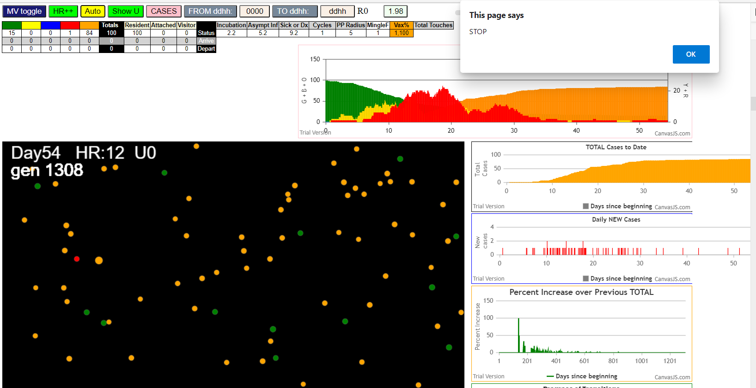

simulationRev2Vax.js:833 Thu Jan 07 2021 16:23:16 GMT-0800 (Pacific Standard Time)
simulationRev2Vax.js:834 CovidSIMVL Mode1 and Mod2 Hybrid 35d
simulationRev2Vax.js:835 Mode 1 >13 and <36 is 75%
simulationRev2Vax.js:836 Mode 2 >28 is 95%; >13 and <29 is 75%
simulationRev2Vax.js:4305 exit covidSim
simulationRev2Vax.js:23 getAsText File {name: "HundredAgentsU0mF1.csv", lastModified: 1608077990000, lastModifiedDate: Tue Dec 15 2020 16:19:50 GMT-0800 (Pacific Standard Time), webkitRelativePath: "", size: 2140, …}
simulationRev2Vax.js:32 File {name: "HundredAgentsU0mF1.csv", lastModified: 1608077990000, lastModifiedDate: Tue Dec 15 2020 16:19:50 GMT-0800 (Pacific Standard Time), webkitRelativePath: "", size: 2140, …}
simulationRev2Vax.js:23 getAsText File {name: "VL1.csv", lastModified: 1608081530000, lastModifiedDate: Tue Dec 15 2020 17:18:50 GMT-0800 (Pacific Standard Time), webkitRelativePath: "", size: 65, …}
simulationRev2Vax.js:32 File {name: "VL1.csv", lastModified: 1608081530000, lastModifiedDate: Tue Dec 15 2020 17:18:50 GMT-0800 (Pacific Standard Time), webkitRelativePath: "", size: 65, …}
simulationRev2Vax.js:1666 Mode 2,100 modified
simulationRev2Vax.js:1682 (100) [0, 1, 2, 3, 4, 5, 6, 7, 8, 9, 10, 11, 12, 13, 14, 15, 16, 17, 18, 19, 20, 21, 22, 23, 24, 25, 26, 27, 28, 29, 30, 31, 32, 33, 34, 35, 36, 37, 38, 39, 40, 41, 42, 43, 44, 45, 46, 47, 48, 49, 50, 51, 52, 53, 54, 55, 56, 57, 58, 59, 60, 61, 62, 63, 64, 65, 66, 67, 68, 69, 70, 71, 72, 73, 74, 75, 76, 77, 78, 79, 80, 81, 82, 83, 84, 85, 86, 87, 88, 89, 90, 91, 92, 93, 94, 95, 96, 97, 98, 99]
simulationRev2Vax.js:1692 (99) [0, 1, 2, 3, 4, 6, 7, 8, 9, 10, 11, 12, 13, 14, 15, 16, 17, 18, 19, 20, 21, 22, 23, 24, 25, 26, 27, 28, 29, 30, 31, 32, 33, 34, 35, 36, 37, 38, 39, 40, 41, 42, 43, 44, 45, 46, 47, 48, 49, 50, 51, 52, 53, 54, 55, 56, 57, 58, 59, 60, 61, 62, 63, 64, 65, 66, 67, 68, 69, 70, 71, 72, 73, 74, 75, 76, 77, 78, 79, 80, 81, 82, 83, 84, 85, 86, 87, 88, 89, 90, 91, 92, 93, 94, 95, 96, 97, 98, 99]
simulationRev2Vax.js:1720 Vaccination list = 99
simulationRev2Vax.js:1734 vaccinated 19,39,4,62,25,90,13,22,20,11,95,63,7,61,29,30,85,98,18,52,12,77,72,70,41,73,50,56,8,21,16,59,88,69,65,96,26,9,40,91,1,48,0,14,44,94,57,27,71,82,53,43,54,15,10,84,97,81,45,83,28,47,67,6,3,38,80,68,86,2,60,42,31,23,49,35,32,92,37,33,17,99,51,34,24,89,87,66,78,64,58,36,93,46,74,75,79,55,76
simulationRev2Vax.js:1622 Red Days changed to 9.2
simulationRev2Vax.js:2140 1I j:famKey 72:-1 infected by red i:famKey 5:-1 at gen 63 in Univ0 prob=0.057
simulationRev2Vax.js:2140 2I j:famKey 9:-1 infected by red i:famKey 5:-1 at gen 85 in Univ0 prob=0.159
simulationRev2Vax.js:2157 3I i:famKey 6:-1 infected by blue j:famKey 72:-1 at gen 171 in U0 prob=0.205
simulationRev2Vax.js:2140 4I j:famKey 57:-1 infected by blue i:famKey 9:-1 at gen 196 in Univ0 prob=0.050
simulationRev2Vax.js:2140 5I j:famKey 87:-1 infected by blue i:famKey 6:-1 at gen 254 in Univ0 prob=0.816
simulationRev2Vax.js:2140 6I j:famKey 45:-1 infected by blue i:famKey 6:-1 at gen 284 in Univ0 prob=0.854
simulationRev2Vax.js:2140 7I j:famKey 34:-1 infected by blue i:famKey 6:-1 at gen 290 in Univ0 prob=0.200
simulationRev2Vax.js:2140 8I j:famKey 63:-1 infected by red i:famKey 6:-1 at gen 294 in Univ0 prob=0.658
simulationRev2Vax.js:2140 8I j:famKey 99:-1 infected by blue i:famKey 57:-1 at gen 295 in Univ0 prob=0.969
simulationRev2Vax.js:2157 10I i:famKey 15:-1 infected by blue j:famKey 57:-1 at gen 298 in U0 prob=0.378
simulationRev2Vax.js:2157 11I i:famKey 10:-1 infected by blue j:famKey 63:-1 at gen 368 in U0 prob=0.942
simulationRev2Vax.js:2157 12I i:famKey 8:-1 infected by red j:famKey 87:-1 at gen 402 in U0 prob=0.778
simulationRev2Vax.js:2140 13I j:famKey 85:-1 infected by red i:famKey 34:-1 at gen 434 in Univ0 prob=0.813
simulationRev2Vax.js:2140 14I j:famKey 48:-1 infected by blue i:famKey 8:-1 at gen 460 in Univ0 prob=0.782
simulationRev2Vax.js:2157 15I i:famKey 32:-1 infected by red j:famKey 99:-1 at gen 469 in U0 prob=0.882
simulationRev2Vax.js:2140 16I j:famKey 94:-1 infected by blue i:famKey 85:-1 at gen 525 in Univ0 prob=0.877
simulationRev2Vax.js:2157 17I i:famKey 68:-1 infected by red j:famKey 85:-1 at gen 556 in U0 prob=0.836
simulationRev2Vax.js:2140 18I j:famKey 51:-1 infected by red i:famKey 32:-1 at gen 630 in Univ0 prob=0.920
simulationRev2Vax.js:2157 19I i:famKey 3:-1 infected by blue j:famKey 94:-1 at gen 632 in U0 prob=0.755
simulationRev2Vax.js:2140 20I j:famKey 90:-1 infected by yellow i:famKey 3:-1 at gen 635 in Univ0 prob=0.759
simulationRev2Vax.js:2157 21I i:famKey 13:-1 infected by red j:famKey 94:-1 at gen 640 in U0 prob=0.841
simulationRev2Vax.js:2140 22I j:famKey 93:-1 infected by red i:famKey 32:-1 at gen 660 in Univ0 prob=0.792
simulationRev2Vax.js:2140 22I j:famKey 74:-1 infected by blue i:famKey 68:-1 at gen 661 in Univ0 prob=0.940
simulationRev2Vax.js:2157 24I i:famKey 1:-1 infected by red j:famKey 94:-1 at gen 695 in U0 prob=0.805

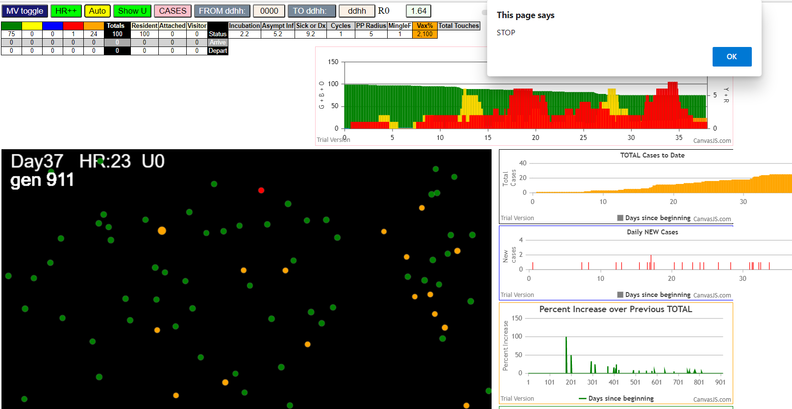

simulationRev2Vax.js:833 Thu Jan 07 2021 16:27:56 GMT-0800 (Pacific Standard Time)
simulationRev2Vax.js:834 CovidSIMVL Mode1 and Mod2 Hybrid 35d
simulationRev2Vax.js:835 Mode 1 >13 and <36 is 75%
simulationRev2Vax.js:836 Mode 2 >28 is 95%; >13 and <29 is 75%
simulationRev2Vax.js:4305 exit covidSim
simulationRev2Vax.js:23 getAsText File {name: "HundredAgentsU0mF1.csv", lastModified: 1608077990000, lastModifiedDate: Tue Dec 15 2020 16:19:50 GMT-0800 (Pacific Standard Time), webkitRelativePath: "", size: 2140, …}
simulationRev2Vax.js:32 File {name: "HundredAgentsU0mF1.csv", lastModified: 1608077990000, lastModifiedDate: Tue Dec 15 2020 16:19:50 GMT-0800 (Pacific Standard Time), webkitRelativePath: "", size: 2140, …}
simulationRev2Vax.js:23 getAsText File {name: "VL1.csv", lastModified: 1608081530000, lastModifiedDate: Tue Dec 15 2020 17:18:50 GMT-0800 (Pacific Standard Time), webkitRelativePath: "", size: 65, …}
simulationRev2Vax.js:32 File {name: "VL1.csv", lastModified: 1608081530000, lastModifiedDate: Tue Dec 15 2020 17:18:50 GMT-0800 (Pacific Standard Time), webkitRelativePath: "", size: 65, …}
simulationRev2Vax.js:1644 New Hazard Radius = 4.5
simulationRev2Vax.js:1666 Mode 1,100 modified
simulationRev2Vax.js:1682 (100) [0, 1, 2, 3, 4, 5, 6, 7, 8, 9, 10, 11, 12, 13, 14, 15, 16, 17, 18, 19, 20, 21, 22, 23, 24, 25, 26, 27, 28, 29, 30, 31, 32, 33, 34, 35, 36, 37, 38, 39, 40, 41, 42, 43, 44, 45, 46, 47, 48, 49, 50, 51, 52, 53, 54, 55, 56, 57, 58, 59, 60, 61, 62, 63, 64, 65, 66, 67, 68, 69, 70, 71, 72, 73, 74, 75, 76, 77, 78, 79, 80, 81, 82, 83, 84, 85, 86, 87, 88, 89, 90, 91, 92, 93, 94, 95, 96, 97, 98, 99]
simulationRev2Vax.js:1692 (99) [0, 1, 2, 3, 4, 6, 7, 8, 9, 10, 11, 12, 13, 14, 15, 16, 17, 18, 19, 20, 21, 22, 23, 24, 25, 26, 27, 28, 29, 30, 31, 32, 33, 34, 35, 36, 37, 38, 39, 40, 41, 42, 43, 44, 45, 46, 47, 48, 49, 50, 51, 52, 53, 54, 55, 56, 57, 58, 59, 60, 61, 62, 63, 64, 65, 66, 67, 68, 69, 70, 71, 72, 73, 74, 75, 76, 77, 78, 79, 80, 81, 82, 83, 84, 85, 86, 87, 88, 89, 90, 91, 92, 93, 94, 95, 96, 97, 98, 99]
simulationRev2Vax.js:1720 Vaccination list = 99
simulationRev2Vax.js:1734 vaccinated 75,41,17,25,68,76,53,11,14,56,40,48,33,94,72,87,85,59,30,42,90,73,55,8,65,7,4,91,64,86,77,3,19,15,67,52,99,47,70,1,62,51,12,27,0,84,9,21,63,66,26,34,49,98,58,28,74,6,31,44,10,43,29,80,57,61,37,69,45,97,2,54,92,93,13,22,50,79,88,96,36,32,95,81,24,16,82,89,78,46,20,83,18,71,60,35,38,23,39
simulationRev2Vax.js:2140 1I j:famKey 13:-1 infected by blue i:famKey 5:-1 at gen 2 in Univ0 prob=0.392
simulationRev2Vax.js:2140 2I j:famKey 10:-1 infected by red i:famKey 5:-1 at gen 49 in Univ0 prob=0.683
simulationRev2Vax.js:2140 3I j:famKey 74:-1 infected by red i:famKey 5:-1 at gen 53 in Univ0 prob=0.719
simulationRev2Vax.js:2140 4I j:famKey 14:-1 infected by red i:famKey 5:-1 at gen 65 in Univ0 prob=0.381
simulationRev2Vax.js:2140 5I j:famKey 76:-1 infected by red i:famKey 5:-1 at gen 124 in Univ0 prob=0.533
simulationRev2Vax.js:2140 6I j:famKey 68:-1 infected by blue i:famKey 10:-1 at gen 154 in Univ0 prob=0.724
simulationRev2Vax.js:2157 7I i:famKey 28:-1 infected by blue j:famKey 74:-1 at gen 157 in U0 prob=0.929
simulationRev2Vax.js:2157 8I i:famKey 47:-1 infected by red j:famKey 74:-1 at gen 214 in U0 prob=0.640
simulationRev2Vax.js:2140 9I j:famKey 54:-1 infected by red i:famKey 13:-1 at gen 224 in Univ0 prob=0.587
simulationRev2Vax.js:2140 10I j:famKey 65:-1 infected by blue i:famKey 28:-1 at gen 266 in Univ0 prob=0.832
simulationRev2Vax.js:2140 11I j:famKey 93:-1 infected by red i:famKey 10:-1 at gen 280 in Univ0 prob=0.213
simulationRev2Vax.js:2140 11I j:famKey 98:-1 infected by red i:famKey 28:-1 at gen 280 in Univ0 prob=0.990
simulationRev2Vax.js:2157 11I i:famKey 36:-1 infected by green j:famKey 98:-1 at gen 280 in U0 prob=0.764
simulationRev2Vax.js:2157 14I i:famKey 34:-1 infected by red j:famKey 68:-1 at gen 282 in U0 prob=0.685
simulationRev2Vax.js:2140 15I j:famKey 83:-1 infected by red i:famKey 28:-1 at gen 289 in Univ0 prob=0.127
simulationRev2Vax.js:2140 16I j:famKey 90:-1 infected by red i:famKey 74:-1 at gen 308 in Univ0 prob=0.054
simulationRev2Vax.js:2140 17I j:famKey 61:-1 infected by red i:famKey 14:-1 at gen 316 in Univ0 prob=0.563
simulationRev2Vax.js:2157 17I i:famKey 55:-1 infected by red j:famKey 74:-1 at gen 316 in U0 prob=0.686
simulationRev2Vax.js:2140 19I j:famKey 66:-1 infected by blue i:famKey 65:-1 at gen 333 in Univ0 prob=0.326
simulationRev2Vax.js:2157 20I i:famKey 32:-1 infected by blue j:famKey 83:-1 at gen 361 in U0 prob=0.780
simulationRev2Vax.js:2140 21I j:famKey 78:-1 infected by red i:famKey 68:-1 at gen 391 in Univ0 prob=0.753
simulationRev2Vax.js:2157 22I i:famKey 18:-1 infected by red j:famKey 65:-1 at gen 397 in U0 prob=0.836
simulationRev2Vax.js:2157 23I i:famKey 17:-1 infected by red j:famKey 93:-1 at gen 409 in U0 prob=0.912
simulationRev2Vax.js:2157 23I i:famKey 53:-1 infected by blue j:famKey 90:-1 at gen 409 in U0 prob=0.863
simulationRev2Vax.js:2140 25I j:famKey 62:-1 infected by red i:famKey 28:-1 at gen 412 in Univ0 prob=0.954
simulationRev2Vax.js:2157 26I i:famKey 41:-1 infected by red j:famKey 68:-1 at gen 427 in U0 prob=0.936
simulationRev2Vax.js:2157 27I i:famKey 4:-1 infected by red j:famKey 61:-1 at gen 457 in U0 prob=0.790
simulationRev2Vax.js:2140 28I j:famKey 51:-1 infected by red i:famKey 36:-1 at gen 468 in Univ0 prob=0.836
simulationRev2Vax.js:2157 29I i:famKey 2:-1 infected by red j:famKey 34:-1 at gen 471 in U0 prob=0.977
simulationRev2Vax.js:2140 30I j:famKey 82:-1 infected by red i:famKey 36:-1 at gen 477 in Univ0 prob=0.947
simulationRev2Vax.js:2140 31I j:famKey 63:-1 infected by red i:famKey 61:-1 at gen 483 in Univ0 prob=0.851
simulationRev2Vax.js:2157 32I i:famKey 26:-1 infected by blue j:famKey 62:-1 at gen 498 in U0 prob=0.972
simulationRev2Vax.js:2157 33I i:famKey 15:-1 infected by red j:famKey 90:-1 at gen 522 in U0 prob=0.894
simulationRev2Vax.js:2140 34I j:famKey 85:-1 infected by red i:famKey 32:-1 at gen 526 in Univ0 prob=0.901
simulationRev2Vax.js:2157 35I i:famKey 20:-1 infected by red j:famKey 36:-1 at gen 535 in U0 prob=0.827
simulationRev2Vax.js:2157 36I i:famKey 12:-1 infected by red j:famKey 41:-1 at gen 548 in U0 prob=0.894
simulationRev2Vax.js:2157 37I i:famKey 1:-1 infected by red j:famKey 53:-1 at gen 554 in U0 prob=1.000
simulationRev2Vax.js:2140 37I j:famKey 81:-1 infected by red i:famKey 66:-1 at gen 554 in Univ0 prob=0.771
simulationRev2Vax.js:2157 39I i:famKey 27:-1 infected by red j:famKey 53:-1 at gen 590 in U0 prob=0.871
simulationRev2Vax.js:2157 40I i:famKey 43:-1 infected by red j:famKey 53:-1 at gen 602 in U0 prob=0.810
simulationRev2Vax.js:2140 41I j:famKey 71:-1 infected by red i:famKey 66:-1 at gen 611 in Univ0 prob=0.801
simulationRev2Vax.js:2140 42I j:famKey 52:-1 infected by red i:famKey 51:-1 at gen 625 in Univ0 prob=0.787
simulationRev2Vax.js:2140 43I j:famKey 31:-1 infected by red i:famKey 17:-1 at gen 639 in Univ0 prob=0.787
simulationRev2Vax.js:2140 44I j:famKey 67:-1 infected by red i:famKey 20:-1 at gen 670 in Univ0 prob=0.802
simulationRev2Vax.js:2157 45I i:famKey 44:-1 infected by red j:famKey 62:-1 at gen 699 in U0 prob=0.886
simulationRev2Vax.js:2140 46I j:famKey 30:-1 infected by red i:famKey 12:-1 at gen 740 in Univ0 prob=0.818
simulationRev2Vax.js:2140 47I j:famKey 57:-1 infected by red i:famKey 26:-1 at gen 743 in Univ0 prob=0.842
simulationRev2Vax.js:2140 48I j:famKey 80:-1 infected by red i:famKey 26:-1 at gen 753 in Univ0 prob=0.978
simulationRev2Vax.js:2157 49I i:famKey 9:-1 infected by red j:famKey 71:-1 at gen 800 in U0 prob=0.939
simulationRev2Vax.js:2157 50I i:famKey 11:-1 infected by blue j:famKey 57:-1 at gen 819 in U0 prob=0.934
simulationRev2Vax.js:2140 51I j:famKey 33:-1 infected by blue i:famKey 30:-1 at gen 843 in Univ0 prob=0.776
simulationRev2Vax.js:2140 52I j:famKey 97:-1 infected by blue i:famKey 80:-1 at gen 865 in Univ0 prob=0.678
simulationRev2Vax.js:2140 53I j:famKey 95:-1 infected by red i:famKey 71:-1 at gen 876 in Univ0 prob=0.601
simulationRev2Vax.js:2140 54I j:famKey 75:-1 infected by red i:famKey 43:-1 at gen 886 in Univ0 prob=0.940
simulationRev2Vax.js:2157 55I i:famKey 46:-1 infected by red j:famKey 80:-1 at gen 889 in U0 prob=0.635
simulationRev2Vax.js:2140 56I j:famKey 89:-1 infected by red i:famKey 80:-1 at gen 923 in Univ0 prob=0.365
simulationRev2Vax.js:2140 57I j:famKey 84:-1 infected by red i:famKey 80:-1 at gen 929 in Univ0 prob=0.326
simulationRev2Vax.js:2157 58I i:famKey 6:-1 infected by red j:famKey 30:-1 at gen 936 in U0 prob=0.614
simulationRev2Vax.js:2157 59I i:famKey 29:-1 infected by red j:famKey 44:-1 at gen 947 in U0 prob=0.423
simulationRev2Vax.js:2157 59I i:famKey 38:-1 infected by blue j:famKey 95:-1 at gen 948 in U0 prob=0.927
simulationRev2Vax.js:2140 61I j:famKey 96:-1 infected by red i:famKey 33:-1 at gen 966 in Univ0 prob=0.135
simulationRev2Vax.js:2157 62I i:famKey 48:-1 infected by red j:famKey 80:-1 at gen 976 in U0 prob=0.147
simulationRev2Vax.js:2140 63I j:famKey 77:-1 infected by red i:famKey 33:-1 at gen 978 in Univ0 prob=0.020
simulationRev2Vax.js:2140 64I j:famKey 73:-1 infected by red i:famKey 44:-1 at gen 982 in Univ0 prob=0.029
simulationRev2Vax.js:2157 65I i:famKey 42:-1 infected by red j:famKey 80:-1 at gen 992 in U0 prob=0.661
simulationRev2Vax.js:2157 66I i:famKey 92:-1 infected by red j:famKey 95:-1 at gen 1000 in U0 prob=0.988
simulationRev2Vax.js:2157 67I i:famKey 56:-1 infected by red j:famKey 95:-1 at gen 1012 in U0 prob=0.404
simulationRev2Vax.js:2157 68I i:famKey 7:-1 infected by red j:famKey 80:-1 at gen 1021 in U0 prob=0.934
simulationRev2Vax.js:2140 68I j:famKey 72:-1 infected by blue i:famKey 29:-1 at gen 1022 in Univ0 prob=0.600
simulationRev2Vax.js:2140 70I j:famKey 64:-1 infected by red i:famKey 33:-1 at gen 1026 in Univ0 prob=0.091
simulationRev2Vax.js:2140 71I j:famKey 94:-1 infected by blue i:famKey 77:-1 at gen 1044 in Univ0 prob=0.134
simulationRev2Vax.js:2140 72I j:famKey 69:-1 infected by blue i:famKey 38:-1 at gen 1058 in Univ0 prob=0.237
simulationRev2Vax.js:2140 73I j:famKey 99:-1 infected by red i:famKey 95:-1 at gen 1064 in Univ0 prob=0.105
simulationRev2Vax.js:2157 74I i:famKey 37:-1 infected by yellow j:famKey 64:-1 at gen 1074 in U0 prob=0.846
simulationRev2Vax.js:2157 75I i:famKey 21:-1 infected by blue j:famKey 56:-1 at gen 1086 in U0 prob=0.067
simulationRev2Vax.js:2140 76I j:famKey 50:-1 infected by yellow i:famKey 21:-1 at gen 1088 in Univ0 prob=0.334
simulationRev2Vax.js:2140 77I j:famKey 88:-1 infected by red i:famKey 75:-1 at gen 1100 in Univ0 prob=0.650
simulationRev2Vax.js:2140 78I j:famKey 87:-1 infected by red i:famKey 29:-1 at gen 1121 in Univ0 prob=0.743
simulationRev2Vax.js:2140 79I j:famKey 79:-1 infected by red i:famKey 48:-1 at gen 1131 in Univ0 prob=0.219
simulationRev2Vax.js:2157 80I i:famKey 16:-1 infected by blue j:famKey 99:-1 at gen 1169 in U0 prob=0.121
simulationRev2Vax.js:2140 81I j:famKey 60:-1 infected by red i:famKey 7:-1 at gen 1172 in Univ0 prob=0.466
simulationRev2Vax.js:2157 82I i:famKey 49:-1 infected by blue j:famKey 50:-1 at gen 1203 in U0 prob=0.839
simulationRev2Vax.js:2140 83I j:famKey 91:-1 infected by red i:famKey 50:-1 at gen 1220 in Univ0 prob=0.841
simulationRev2Vax.js:2157 84I i:famKey 3:-1 infected by red j:famKey 56:-1 at gen 1225 in U0 prob=0.651
simulationRev2Vax.js:2157 85I i:famKey 40:-1 infected by red j:famKey 50:-1 at gen 1256 in U0 prob=0.393
simulationRev2Vax.js:2157 86I i:famKey 45:-1 infected by red j:famKey 56:-1 at gen 1265 in U0 prob=0.631
simulationRev2Vax.js:2157 87I i:famKey 22:-1 infected by red j:famKey 42:-1 at gen 1272 in U0 prob=0.401
simulationRev2Vax.js:2140 88I j:famKey 58:-1 infected by yellow i:famKey 3:-1 at gen 1274 in Univ0 prob=0.198
simulationRev2Vax.js:2157 89I i:famKey 39:-1 infected by blue j:famKey 49:-1 at gen 1277 in U0 prob=0.687
simulationRev2Vax.js:2157 89I i:famKey 35:-1 infected by blue j:famKey 91:-1 at gen 1278 in U0 prob=0.711
simulationRev2Vax.js:2157 91I i:famKey 86:-1 infected by blue j:famKey 91:-1 at gen 1292 in U0 prob=0.278
simulationRev2Vax.js:2157 92I i:famKey 8:-1 infected by blue j:famKey 91:-1 at gen 1310 in U0 prob=0.836
simulationRev2Vax.js:2157 93I i:famKey 19:-1 infected by red j:famKey 37:-1 at gen 1354 in U0 prob=0.668
simulationRev2Vax.js:2140 94I j:famKey 23:-1 infected by red i:famKey 3:-1 at gen 1399 in Univ0 prob=0.910
simulationRev2Vax.js:2157 95I i:famKey 59:-1 infected by red j:famKey 79:-1 at gen 1414 in U0 prob=0.813
simulationRev2Vax.js:2140 95I j:famKey 70:-1 infected by blue i:famKey 8:-1 at gen 1415 in Univ0 prob=0.074
simulationRev2Vax.js:2157 97I i:famKey 0:-1 infected by blue j:famKey 23:-1 at gen 1487 in U0 prob=0.085
simulationRev2Vax.js:2140 98I j:famKey 25:-1 infected by red i:famKey 8:-1 at gen 1494 in Univ0 prob=0.805

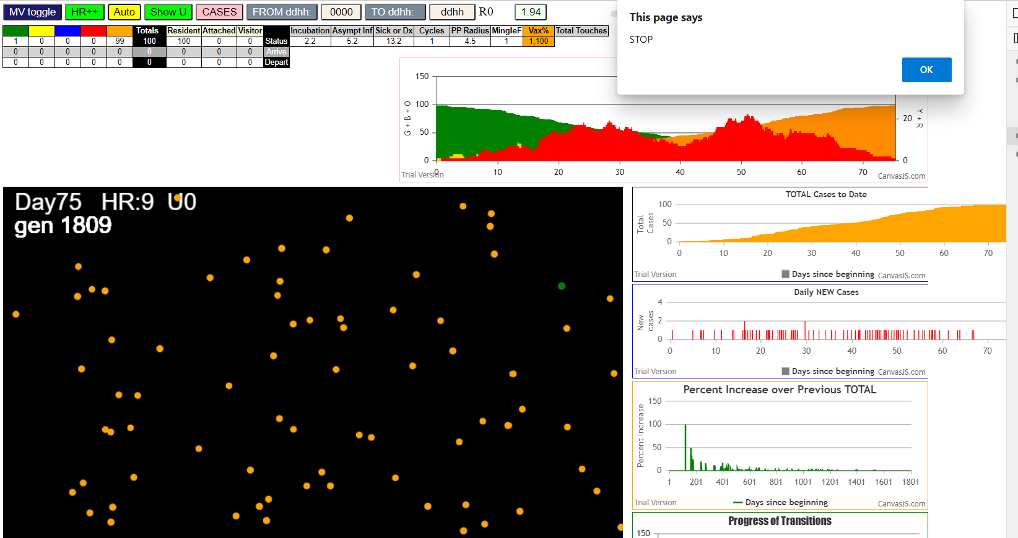

simulationRev2Vax.js:833 Thu Jan 07 2021 16:35:49 GMT-0800 (Pacific Standard Time)
simulationRev2Vax.js:834 CovidSIMVL Mode1 and Mod2 Hybrid 35d
simulationRev2Vax.js:835 Mode 1 >13 and <36 is 75%
simulationRev2Vax.js:836 Mode 2 >28 is 95%; >13 and <29 is 75%
simulationRev2Vax.js:4305 exit covidSim
simulationRev2Vax.js:23 getAsText File {name: "HundredAgentsU0mF1.csv", lastModified: 1608077990000, lastModifiedDate: Tue Dec 15 2020 16:19:50 GMT-0800 (Pacific Standard Time), webkitRelativePath: "", size: 2140, …}
simulationRev2Vax.js:32 File {name: "HundredAgentsU0mF1.csv", lastModified: 1608077990000, lastModifiedDate: Tue Dec 15 2020 16:19:50 GMT-0800 (Pacific Standard Time), webkitRelativePath: "", size: 2140, …}
simulationRev2Vax.js:23 getAsText File {name: "VL1.csv", lastModified: 1608081530000, lastModifiedDate: Tue Dec 15 2020 17:18:50 GMT-0800 (Pacific Standard Time), webkitRelativePath: "", size: 65, …}
simulationRev2Vax.js:32 File {name: "VL1.csv", lastModified: 1608081530000, lastModifiedDate: Tue Dec 15 2020 17:18:50 GMT-0800 (Pacific Standard Time), webkitRelativePath: "", size: 65, …}
simulationRev2Vax.js:2140 0I j:famKey 88:-1 infected by green i:famKey 5:-1 at gen 0 in Univ0 prob=0.094
simulationRev2Vax.js:1666 Mode 2,100 modified
simulationRev2Vax.js:1682 (100) [0, 1, 2, 3, 4, 5, 6, 7, 8, 9, 10, 11, 12, 13, 14, 15, 16, 17, 18, 19, 20, 21, 22, 23, 24, 25, 26, 27, 28, 29, 30, 31, 32, 33, 34, 35, 36, 37, 38, 39, 40, 41, 42, 43, 44, 45, 46, 47, 48, 49, 50, 51, 52, 53, 54, 55, 56, 57, 58, 59, 60, 61, 62, 63, 64, 65, 66, 67, 68, 69, 70, 71, 72, 73, 74, 75, 76, 77, 78, 79, 80, 81, 82, 83, 84, 85, 86, 87, 88, 89, 90, 91, 92, 93, 94, 95, 96, 97, 98, 99]
simulationRev2Vax.js:1692 (98) [0, 1, 2, 3, 4, 6, 7, 8, 9, 10, 11, 12, 13, 14, 15, 16, 17, 18, 19, 20, 21, 22, 23, 24, 25, 26, 27, 28, 29, 30, 31, 32, 33, 34, 35, 36, 37, 38, 39, 40, 41, 42, 43, 44, 45, 46, 47, 48, 49, 50, 51, 52, 53, 54, 55, 56, 57, 58, 59, 60, 61, 62, 63, 64, 65, 66, 67, 68, 69, 70, 71, 72, 73, 74, 75, 76, 77, 78, 79, 80, 81, 82, 83, 84, 85, 86, 87, 89, 90, 91, 92, 93, 94, 95, 96, 97, 98, 99]
simulationRev2Vax.js:1720 Vaccination list = 98
simulationRev2Vax.js:1734 vaccinated 96,98,11,90,31,21,95,8,48,16,59,75,18,73,65,30,2,80,99,76,49,27,35,42,15,38,23,61,19,87,53,68,1,62,72,34,25,41,10,39,66,84,47,46,0,70,28,74,3,79,40,58,44,64,29,7,83,32,71,69,50,55,9,93,36,24,89,57,17,4,60,51,12,33,22,26,85,82,45,81,37,54,94,78,14,13,91,67,56,20,43,86,52,6,92,77,63,97
simulationRev2Vax.js:1622 Red Days changed to null
simulationRev2Vax.js:1644 New Hazard Radius = 4.5
simulationRev2Vax.js:2140 2I j:famKey 25:-1 infected by blue i:famKey 5:-1 at gen 5 in Univ0 prob=0.885
simulationRev2Vax.js:2140 3I j:famKey 37:-1 infected by red i:famKey 5:-1 at gen 54 in Univ0 prob=0.801
simulationRev2Vax.js:2157 4I i:famKey 10:-1 infected by blue j:famKey 25:-1 at gen 68 in U0 prob=0.497
simulationRev2Vax.js:2157 4I i:famKey 86:-1 infected by blue j:famKey 88:-1 at gen 69 in U0 prob=0.512
simulationRev2Vax.js:2157 6I i:famKey 21:-1 infected by blue j:famKey 25:-1 at gen 76 in U0 prob=0.280
simulationRev2Vax.js:2157 7I i:famKey 13:-1 infected by blue j:famKey 88:-1 at gen 92 in U0 prob=0.748
simulationRev2Vax.js:2140 8I j:famKey 93:-1 infected by blue i:famKey 25:-1 at gen 108 in Univ0 prob=0.686
simulationRev2Vax.js:2157 9I i:famKey 57:-1 infected by red j:famKey 88:-1 at gen 159 in U0 prob=0.875
simulationRev2Vax.js:2140 10I j:famKey 65:-1 infected by blue i:famKey 10:-1 at gen 164 in Univ0 prob=0.484
simulationRev2Vax.js:2140 11I j:famKey 51:-1 infected by blue i:famKey 13:-1 at gen 170 in Univ0 prob=0.557
simulationRev2Vax.js:2157 11I i:famKey 31:-1 infected by yellow j:famKey 65:-1 at gen 170 in U0 prob=0.500
simulationRev2Vax.js:2140 13I j:famKey 84:-1 infected by blue i:famKey 21:-1 at gen 189 in Univ0 prob=0.216
simulationRev2Vax.js:2157 14I i:famKey 30:-1 infected by blue j:famKey 93:-1 at gen 191 in U0 prob=0.138
simulationRev2Vax.js:2140 14I j:famKey 38:-1 infected by blue i:famKey 13:-1 at gen 192 in Univ0 prob=0.736
simulationRev2Vax.js:2140 16I j:famKey 66:-1 infected by red i:famKey 25:-1 at gen 201 in Univ0 prob=0.170
simulationRev2Vax.js:2157 17I i:famKey 71:-1 infected by blue j:famKey 93:-1 at gen 204 in U0 prob=0.929
simulationRev2Vax.js:2157 18I i:famKey 32:-1 infected by red j:famKey 86:-1 at gen 208 in U0 prob=0.955
simulationRev2Vax.js:2140 19I j:famKey 43:-1 infected by red i:famKey 25:-1 at gen 236 in Univ0 prob=0.889
simulationRev2Vax.js:2140 20I j:famKey 78:-1 infected by blue i:famKey 31:-1 at gen 239 in Univ0 prob=0.909
simulationRev2Vax.js:2140 21I j:famKey 62:-1 infected by red i:famKey 25:-1 at gen 256 in Univ0 prob=0.680
simulationRev2Vax.js:2157 22I i:famKey 18:-1 infected by blue j:famKey 51:-1 at gen 271 in U0 prob=0.023
simulationRev2Vax.js:2157 22I i:famKey 81:-1 infected by red j:famKey 86:-1 at gen 271 in U0 prob=0.501
simulationRev2Vax.js:2140 24I j:famKey 85:-1 infected by red i:famKey 10:-1 at gen 277 in Univ0 prob=0.813
simulationRev2Vax.js:2140 25I j:famKey 68:-1 infected by red i:famKey 13:-1 at gen 329 in Univ0 prob=0.911
simulationRev2Vax.js:2140 25I j:famKey 40:-1 infected by red i:famKey 37:-1 at gen 330 in Univ0 prob=0.843
simulationRev2Vax.js:2157 27I i:famKey 3:-1 infected by red j:famKey 84:-1 at gen 400 in U0 prob=0.870
simulationRev2Vax.js:2140 27I j:famKey 73:-1 infected by red i:famKey 30:-1 at gen 400 in Univ0 prob=0.837
simulationRev2Vax.js:2140 27I j:famKey 76:-1 infected by red i:famKey 43:-1 at gen 400 in Univ0 prob=0.807
simulationRev2Vax.js:2140 30I j:famKey 89:-1 infected by red i:famKey 71:-1 at gen 456 in Univ0 prob=0.917
simulationRev2Vax.js:2140 31I j:famKey 80:-1 infected by red i:famKey 71:-1 at gen 461 in Univ0 prob=0.871
simulationRev2Vax.js:2157 32I i:famKey 50:-1 infected by red j:famKey 71:-1 at gen 468 in U0 prob=0.834
simulationRev2Vax.js:2157 33I i:famKey 20:-1 infected by red j:famKey 62:-1 at gen 500 in U0 prob=0.754
simulationRev2Vax.js:2157 34I i:famKey 14:-1 infected by blue j:famKey 50:-1 at gen 522 in U0 prob=0.891
simulationRev2Vax.js:2157 34I i:famKey 54:-1 infected by blue j:famKey 89:-1 at gen 522 in U0 prob=0.866
simulationRev2Vax.js:2157 36I i:famKey 2:-1 infected by blue j:famKey 80:-1 at gen 548 in U0 prob=0.941
simulationRev2Vax.js:2140 37I j:famKey 55:-1 infected by red i:famKey 18:-1 at gen 558 in Univ0 prob=0.909
simulationRev2Vax.js:2157 38I i:famKey 59:-1 infected by red j:famKey 76:-1 at gen 580 in U0 prob=0.910
simulationRev2Vax.js:2157 39I i:famKey 75:-1 infected by red j:famKey 89:-1 at gen 615 in U0 prob=0.782
simulationRev2Vax.js:2157 40I i:famKey 1:-1 infected by yellow j:famKey 75:-1 at gen 624 in U0 prob=0.884
simulationRev2Vax.js:2140 41I j:famKey 90:-1 infected by red i:famKey 50:-1 at gen 672 in Univ0 prob=0.873
simulationRev2Vax.js:2140 42I j:famKey 72:-1 infected by red i:famKey 14:-1 at gen 682 in Univ0 prob=0.941
simulationRev2Vax.js:2140 43I j:famKey 83:-1 infected by blue i:famKey 75:-1 at gen 715 in Univ0 prob=0.959
simulationRev2Vax.js:2157 44I i:famKey 27:-1 infected by red j:famKey 80:-1 at gen 745 in U0 prob=0.961
simulationRev2Vax.js:2140 45I j:famKey 41:-1 infected by red i:famKey 14:-1 at gen 750 in Univ0 prob=0.981
simulationRev2Vax.js:2157 46I i:famKey 44:-1 infected by red j:famKey 75:-1 at gen 780 in U0 prob=0.959
simulationRev2Vax.js:2140 47I j:famKey 53:-1 infected by red i:famKey 44:-1 at gen 992 in Univ0 prob=0.972

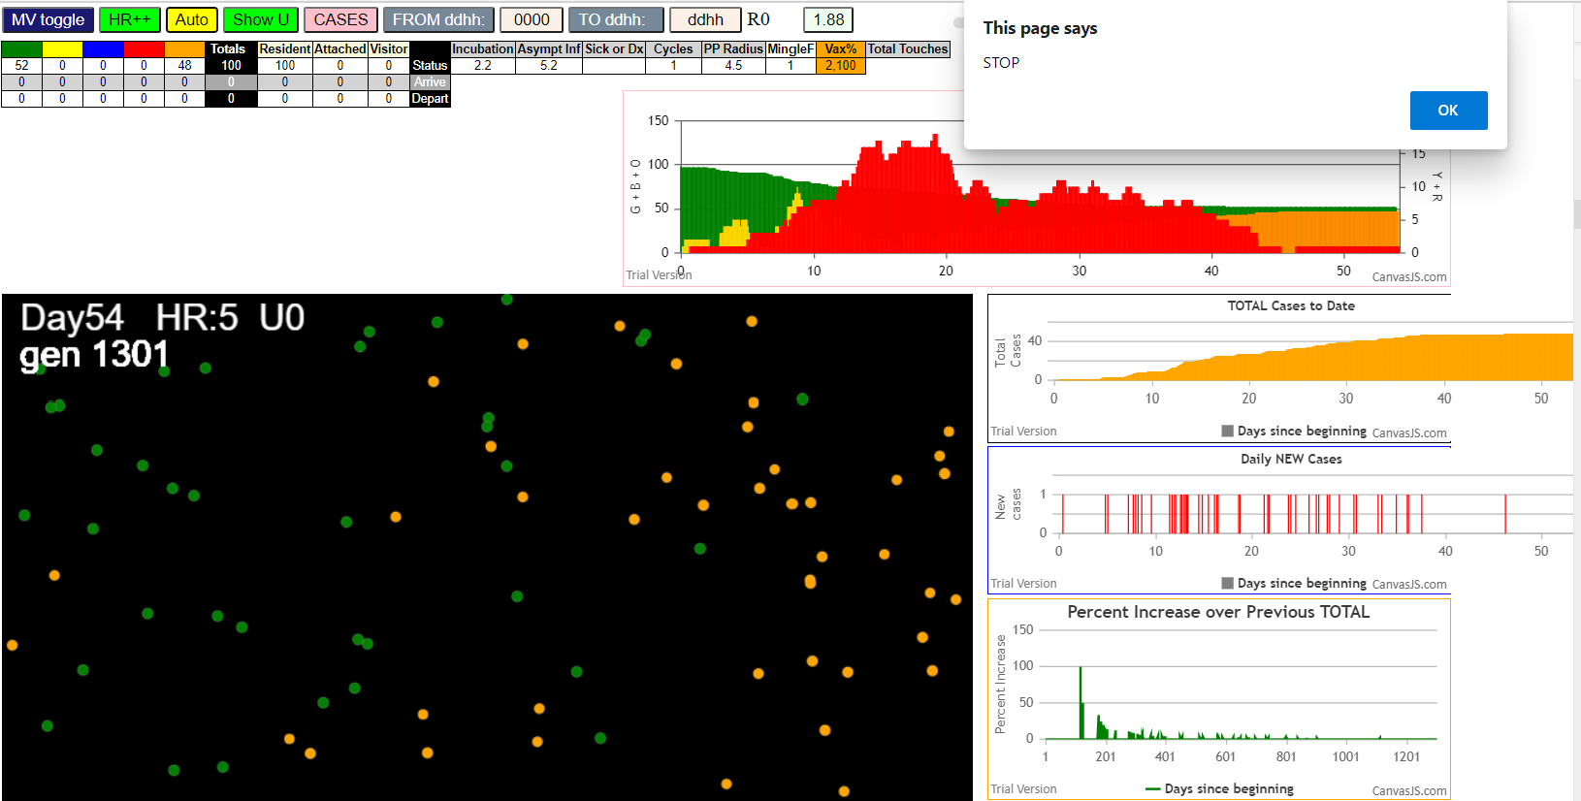

Thu Jan 07 2021 16:41:37 GMT-0800 (Pacific Standard Time)
simulationRev2Vax.js:834 CovidSIMVL Mode1 and Mod2 Hybrid 35d
simulationRev2Vax.js:835 Mode 1 >13 and <36 is 75%
simulationRev2Vax.js:836 Mode 2 >28 is 95%; >13 and <29 is 75%
simulationRev2Vax.js:4305 exit covidSim
simulationRev2Vax.js:23 getAsText File {name: "HundredAgentsU0mF1.csv", lastModified: 1608077990000, lastModifiedDate: Tue Dec 15 2020 16:19:50 GMT-0800 (Pacific Standard Time), webkitRelativePath: "", size: 2140, …}
simulationRev2Vax.js:32 File {name: "HundredAgentsU0mF1.csv", lastModified: 1608077990000, lastModifiedDate: Tue Dec 15 2020 16:19:50 GMT-0800 (Pacific Standard Time), webkitRelativePath: "", size: 2140, …}
simulationRev2Vax.js:23 getAsText File {name: "VL1.csv", lastModified: 1608081530000, lastModifiedDate: Tue Dec 15 2020 17:18:50 GMT-0800 (Pacific Standard Time), webkitRelativePath: "", size: 65, …}
simulationRev2Vax.js:32 File {name: "VL1.csv", lastModified: 1608081530000, lastModifiedDate: Tue Dec 15 2020 17:18:50 GMT-0800 (Pacific Standard Time), webkitRelativePath: "", size: 65, …}
simulationRev2Vax.js:1644 New Hazard Radius = 4.5
simulationRev2Vax.js:1622 Red Days changed to 9.2
simulationRev2Vax.js:1666 Mode 1,100 modified
simulationRev2Vax.js:1682 (100) [0, 1, 2, 3, 4, 5, 6, 7, 8, 9, 10, 11, 12, 13, 14, 15, 16, 17, 18, 19, 20, 21, 22, 23, 24, 25, 26, 27, 28, 29, 30, 31, 32, 33, 34, 35, 36, 37, 38, 39, 40, 41, 42, 43, 44, 45, 46, 47, 48, 49, 50, 51, 52, 53, 54, 55, 56, 57, 58, 59, 60, 61, 62, 63, 64, 65, 66, 67, 68, 69, 70, 71, 72, 73, 74, 75, 76, 77, 78, 79, 80, 81, 82, 83, 84, 85, 86, 87, 88, 89, 90, 91, 92, 93, 94, 95, 96, 97, 98, 99]
simulationRev2Vax.js:1692 (99) [0, 1, 2, 3, 4, 6, 7, 8, 9, 10, 11, 12, 13, 14, 15, 16, 17, 18, 19, 20, 21, 22, 23, 24, 25, 26, 27, 28, 29, 30, 31, 32, 33, 34, 35, 36, 37, 38, 39, 40, 41, 42, 43, 44, 45, 46, 47, 48, 49, 50, 51, 52, 53, 54, 55, 56, 57, 58, 59, 60, 61, 62, 63, 64, 65, 66, 67, 68, 69, 70, 71, 72, 73, 74, 75, 76, 77, 78, 79, 80, 81, 82, 83, 84, 85, 86, 87, 88, 89, 90, 91, 92, 93, 94, 95, 96, 97, 98, 99]
simulationRev2Vax.js:1720 Vaccination list = 99
simulationRev2Vax.js:1734 vaccinated 42,0,96,4,88,18,82,74,3,72,30,31,90,76,22,20,2,35,89,40,93,7,51,58,26,28,70,34,52,33,17,73,55,62,60,91,37,16,65,80,8,81,59,61,39,44,95,49,68,10,32,94,48,11,25,45,99,67,83,63,1,64,9,46,78,23,84,43,47,13,27,98,87,92,77,41,21,24,57,75,56,71,19,36,85,15,79,53,29,6,38,54,69,12,86,66,14,97,50
simulationRev2Vax.js:2140 1I j:famKey 39:-1 infected by red i:famKey 5:-1 at gen 37 in Univ0 prob=0.849
simulationRev2Vax.js:2140 2I j:famKey 45:-1 infected by blue i:famKey 39:-1 at gen 147 in Univ0 prob=0.095
simulationRev2Vax.js:2140 3I j:famKey 58:-1 infected by blue i:famKey 45:-1 at gen 235 in Univ0 prob=0.896
simulationRev2Vax.js:2140 4I j:famKey 71:-1 infected by blue i:famKey 45:-1 at gen 237 in Univ0 prob=0.975
simulationRev2Vax.js:2140 5I j:famKey 92:-1 infected by red i:famKey 45:-1 at gen 329 in Univ0 prob=0.123

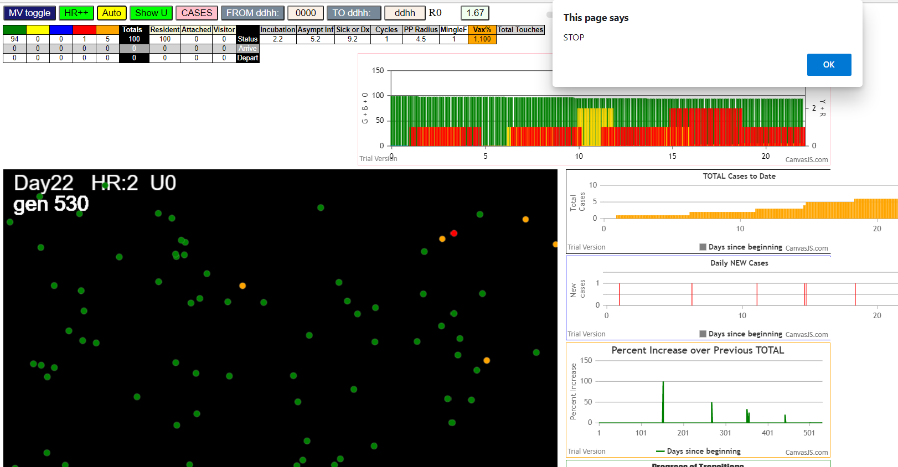

simulationRev2Vax.js:833 Thu Jan 07 2021 16:51:51 GMT-0800 (Pacific Standard Time)
simulationRev2Vax.js:834 CovidSIMVL Mode1 and Mod2 Hybrid 35d
simulationRev2Vax.js:835 Mode 1 >13 and <36 is 75%
simulationRev2Vax.js:836 Mode 2 >28 is 95%; >13 and <29 is 75%
simulationRev2Vax.js:4305 exit covidSim
simulationRev2Vax.js:23 getAsText File {name: "HundredAgentsU0mF1.csv", lastModified: 1608077990000, lastModifiedDate: Tue Dec 15 2020 16:19:50 GMT-0800 (Pacific Standard Time), webkitRelativePath: "", size: 2140, …}
simulationRev2Vax.js:32 File {name: "HundredAgentsU0mF1.csv", lastModified: 1608077990000, lastModifiedDate: Tue Dec 15 2020 16:19:50 GMT-0800 (Pacific Standard Time), webkitRelativePath: "", size: 2140, …}
simulationRev2Vax.js:23 getAsText File {name: "VL1.csv", lastModified: 1608081530000, lastModifiedDate: Tue Dec 15 2020 17:18:50 GMT-0800 (Pacific Standard Time), webkitRelativePath: "", size: 65, …}
simulationRev2Vax.js:32 File {name: "VL1.csv", lastModified: 1608081530000, lastModifiedDate: Tue Dec 15 2020 17:18:50 GMT-0800 (Pacific Standard Time), webkitRelativePath: "", size: 65, …}
simulationRev2Vax.js:1666 Mode 1,100 modified
simulationRev2Vax.js:1682 (100) [0, 1, 2, 3, 4, 5, 6, 7, 8, 9, 10, 11, 12, 13, 14, 15, 16, 17, 18, 19, 20, 21, 22, 23, 24, 25, 26, 27, 28, 29, 30, 31, 32, 33, 34, 35, 36, 37, 38, 39, 40, 41, 42, 43, 44, 45, 46, 47, 48, 49, 50, 51, 52, 53, 54, 55, 56, 57, 58, 59, 60, 61, 62, 63, 64, 65, 66, 67, 68, 69, 70, 71, 72, 73, 74, 75, 76, 77, 78, 79, 80, 81, 82, 83, 84, 85, 86, 87, 88, 89, 90, 91, 92, 93, 94, 95, 96, 97, 98, 99]
simulationRev2Vax.js:1692 (99) [0, 1, 2, 3, 4, 6, 7, 8, 9, 10, 11, 12, 13, 14, 15, 16, 17, 18, 19, 20, 21, 22, 23, 24, 25, 26, 27, 28, 29, 30, 31, 32, 33, 34, 35, 36, 37, 38, 39, 40, 41, 42, 43, 44, 45, 46, 47, 48, 49, 50, 51, 52, 53, 54, 55, 56, 57, 58, 59, 60, 61, 62, 63, 64, 65, 66, 67, 68, 69, 70, 71, 72, 73, 74, 75, 76, 77, 78, 79, 80, 81, 82, 83, 84, 85, 86, 87, 88, 89, 90, 91, 92, 93, 94, 95, 96, 97, 98, 99]
simulationRev2Vax.js:1720 Vaccination list = 99
simulationRev2Vax.js:1734 vaccinated 79,8,1,84,10,34,53,15,76,96,47,68,70,23,12,41,98,75,19,46,16,58,81,40,72,95,33,7,25,54,13,0,3,14,78,21,67,27,11,43,80,90,87,51,48,69,9,2,50,62,83,94,18,71,85,45,66,57,20,56,37,30,35,36,93,65,92,74,38,89,44,39,99,6,28,73,55,59,42,88,31,32,52,24,91,77,86,60,26,97,22,63,49,4,61,64,82,17,29
simulationRev2Vax.js:1644 New Hazard Radius = 4.5
simulationRev2Vax.js:1622 Red Days changed to 9.2
simulationRev2Vax.js:2140 1I j:famKey 36:-1 infected by red i:famKey 5:-1 at gen 55 in Univ0 prob=0.918
simulationRev2Vax.js:2140 2I j:famKey 89:-1 infected by blue i:famKey 36:-1 at gen 133 in Univ0 prob=0.131
simulationRev2Vax.js:2140 3I j:famKey 59:-1 infected by red i:famKey 36:-1 at gen 178 in Univ0 prob=0.981
simulationRev2Vax.js:2157 4I i:famKey 24:-1 infected by red j:famKey 36:-1 at gen 194 in U0 prob=0.627
simulationRev2Vax.js:2157 5I i:famKey 33:-1 infected by blue j:famKey 89:-1 at gen 205 in U0 prob=0.751
simulationRev2Vax.js:2157 6I i:famKey 42:-1 infected by blue j:famKey 89:-1 at gen 213 in U0 prob=0.976
simulationRev2Vax.js:2140 7I j:famKey 93:-1 infected by red i:famKey 36:-1 at gen 220 in Univ0 prob=0.382
simulationRev2Vax.js:2140 8I j:famKey 96:-1 infected by blue i:famKey 24:-1 at gen 247 in Univ0 prob=0.415
simulationRev2Vax.js:2157 9I i:famKey 58:-1 infected by red j:famKey 89:-1 at gen 271 in U0 prob=0.965
simulationRev2Vax.js:2157 10I i:famKey 81:-1 infected by blue j:famKey 93:-1 at gen 278 in U0 prob=0.048
simulationRev2Vax.js:2157 11I i:famKey 27:-1 infected by blue j:famKey 59:-1 at gen 284 in U0 prob=0.907
simulationRev2Vax.js:2157 12I i:famKey 31:-1 infected by red j:famKey 89:-1 at gen 288 in U0 prob=0.879
simulationRev2Vax.js:2140 13I j:famKey 60:-1 infected by blue i:famKey 24:-1 at gen 293 in Univ0 prob=0.754
simulationRev2Vax.js:2157 14I i:famKey 69:-1 infected by yellow j:famKey 81:-1 at gen 296 in U0 prob=0.227
simulationRev2Vax.js:2140 15I j:famKey 83:-1 infected by red i:famKey 59:-1 at gen 313 in Univ0 prob=0.864
simulationRev2Vax.js:2140 16I j:famKey 91:-1 infected by red i:famKey 24:-1 at gen 323 in Univ0 prob=0.495
simulationRev2Vax.js:2157 17I i:famKey 72:-1 infected by blue j:famKey 96:-1 at gen 330 in U0 prob=0.111
simulationRev2Vax.js:2140 18I j:famKey 63:-1 infected by red i:famKey 24:-1 at gen 341 in Univ0 prob=0.805
simulationRev2Vax.js:2157 19I i:famKey 32:-1 infected by blue j:famKey 58:-1 at gen 346 in U0 prob=0.871
simulationRev2Vax.js:2157 20I i:famKey 9:-1 infected by red j:famKey 24:-1 at gen 377 in U0 prob=0.825
simulationRev2Vax.js:2157 20I i:famKey 53:-1 infected by yellow j:famKey 72:-1 at gen 378 in U0 prob=0.982
simulationRev2Vax.js:2140 22I j:famKey 71:-1 infected by blue i:famKey 58:-1 at gen 383 in Univ0 prob=0.798
simulationRev2Vax.js:2140 23I j:famKey 98:-1 infected by blue i:famKey 91:-1 at gen 400 in Univ0 prob=0.925
simulationRev2Vax.js:2140 24I j:famKey 94:-1 infected by red i:famKey 31:-1 at gen 415 in Univ0 prob=0.909
simulationRev2Vax.js:2157 25I i:famKey 47:-1 infected by red j:famKey 58:-1 at gen 417 in U0 prob=0.761
simulationRev2Vax.js:2157 26I i:famKey 13:-1 infected by red j:famKey 60:-1 at gen 425 in U0 prob=0.787
simulationRev2Vax.js:2157 27I i:famKey 11:-1 infected by red j:famKey 31:-1 at gen 427 in U0 prob=0.996
simulationRev2Vax.js:2157 28I i:famKey 23:-1 infected by red j:famKey 69:-1 at gen 438 in U0 prob=0.816
simulationRev2Vax.js:2157 29I i:famKey 22:-1 infected by red j:famKey 58:-1 at gen 444 in U0 prob=0.860
simulationRev2Vax.js:2140 30I j:famKey 49:-1 infected by blue i:famKey 9:-1 at gen 469 in Univ0 prob=0.879
simulationRev2Vax.js:2140 31I j:famKey 55:-1 infected by yellow i:famKey 49:-1 at gen 476 in Univ0 prob=0.881
simulationRev2Vax.js:2140 32I j:famKey 97:-1 infected by red i:famKey 27:-1 at gen 479 in Univ0 prob=0.988
simulationRev2Vax.js:2140 33I j:famKey 14:-1 infected by blue i:famKey 9:-1 at gen 489 in Univ0 prob=0.898
simulationRev2Vax.js:2140 34I j:famKey 21:-1 infected by blue i:famKey 13:-1 at gen 498 in Univ0 prob=0.933
simulationRev2Vax.js:2140 35I j:famKey 75:-1 infected by blue i:famKey 47:-1 at gen 503 in Univ0 prob=0.810
simulationRev2Vax.js:2157 36I i:famKey 1:-1 infected by red j:famKey 71:-1 at gen 514 in U0 prob=0.925
simulationRev2Vax.js:2140 37I j:famKey 52:-1 infected by red i:famKey 32:-1 at gen 542 in Univ0 prob=0.843
simulationRev2Vax.js:2140 38I j:famKey 38:-1 infected by red i:famKey 11:-1 at gen 568 in Univ0 prob=0.754
simulationRev2Vax.js:2157 39I i:famKey 51:-1 infected by red j:famKey 53:-1 at gen 571 in U0 prob=0.772
simulationRev2Vax.js:2140 40I j:famKey 92:-1 infected by blue i:famKey 1:-1 at gen 590 in Univ0 prob=0.772
simulationRev2Vax.js:2157 41I i:famKey 15:-1 infected by red j:famKey 94:-1 at gen 604 in U0 prob=0.759
simulationRev2Vax.js:2157 42I i:famKey 30:-1 infected by blue j:famKey 52:-1 at gen 615 in U0 prob=0.813
simulationRev2Vax.js:2140 43I j:famKey 28:-1 infected by blue i:famKey 1:-1 at gen 622 in Univ0 prob=0.768
simulationRev2Vax.js:2157 44I i:famKey 57:-1 infected by red j:famKey 97:-1 at gen 624 in U0 prob=0.786
simulationRev2Vax.js:2140 45I j:famKey 56:-1 infected by yellow i:famKey 30:-1 at gen 626 in Univ0 prob=0.831
simulationRev2Vax.js:2140 46I j:famKey 44:-1 infected by red i:famKey 11:-1 at gen 632 in Univ0 prob=0.999
simulationRev2Vax.js:2140 47I j:famKey 77:-1 infected by red i:famKey 75:-1 at gen 639 in Univ0 prob=0.985
simulationRev2Vax.js:2140 48I j:famKey 37:-1 infected by red i:famKey 1:-1 at gen 650 in Univ0 prob=0.816
simulationRev2Vax.js:2157 48I i:famKey 18:-1 infected by blue j:famKey 51:-1 at gen 650 in U0 prob=0.779
simulationRev2Vax.js:2157 50I i:famKey 67:-1 infected by red j:famKey 75:-1 at gen 704 in U0 prob=0.929
simulationRev2Vax.js:2140 51I j:famKey 95:-1 infected by yellow i:famKey 67:-1 at gen 710 in Univ0 prob=0.979
simulationRev2Vax.js:2140 51I j:famKey 95:-1 infected by red i:famKey 75:-1 at gen 710 in Univ0 prob=0.958
simulationRev2Vax.js:2140 52I j:famKey 40:-1 infected by red i:famKey 38:-1 at gen 723 in Univ0 prob=0.826
simulationRev2Vax.js:2157 53I i:famKey 12:-1 infected by red j:famKey 15:-1 at gen 745 in U0 prob=0.812
simulationRev2Vax.js:2140 53I j:famKey 74:-1 infected by red i:famKey 52:-1 at gen 746 in Univ0 prob=0.905
...
simulationRev2Vax.js:833 Thu Jan 07 2021 16:51:51 GMT-0800 (Pacific Standard Time)
simulationRev2Vax.js:2157 82I i:famKey 48:-1 infected by red j:famKey 85:-1 at gen 1411 in U0 prob=0.013
simulationRev2Vax.js:2157 83I i:famKey 19:-1 infected by red j:famKey 88:-1 at gen 1436 in U0 prob=0.751
simulationRev2Vax.js:2157 84I i:famKey 34:-1 infected by blue j:famKey 66:-1 at gen 1439 in U0 prob=0.199
simulationRev2Vax.js:2157 85I i:famKey 50:-1 infected by red j:famKey 85:-1 at gen 1441 in U0 prob=0.706
simulationRev2Vax.js:2157 86I i:famKey 35:-1 infected by red j:famKey 82:-1 at gen 1488 in U0 prob=0.611
simulationRev2Vax.js:2157 87I i:famKey 62:-1 infected by red j:famKey 66:-1 at gen 1545 in U0 prob=0.676
simulationRev2Vax.js:2157 88I i:famKey 26:-1 infected by blue j:famKey 50:-1 at gen 1552 in U0 prob=0.983
simulationRev2Vax.js:2157 89I i:famKey 16:-1 infected by red j:famKey 34:-1 at gen 1571 in U0 prob=0.242
simulationRev2Vax.js:2140 90I j:famKey 73:-1 infected by red i:famKey 50:-1 at gen 1628 in Univ0 prob=0.036

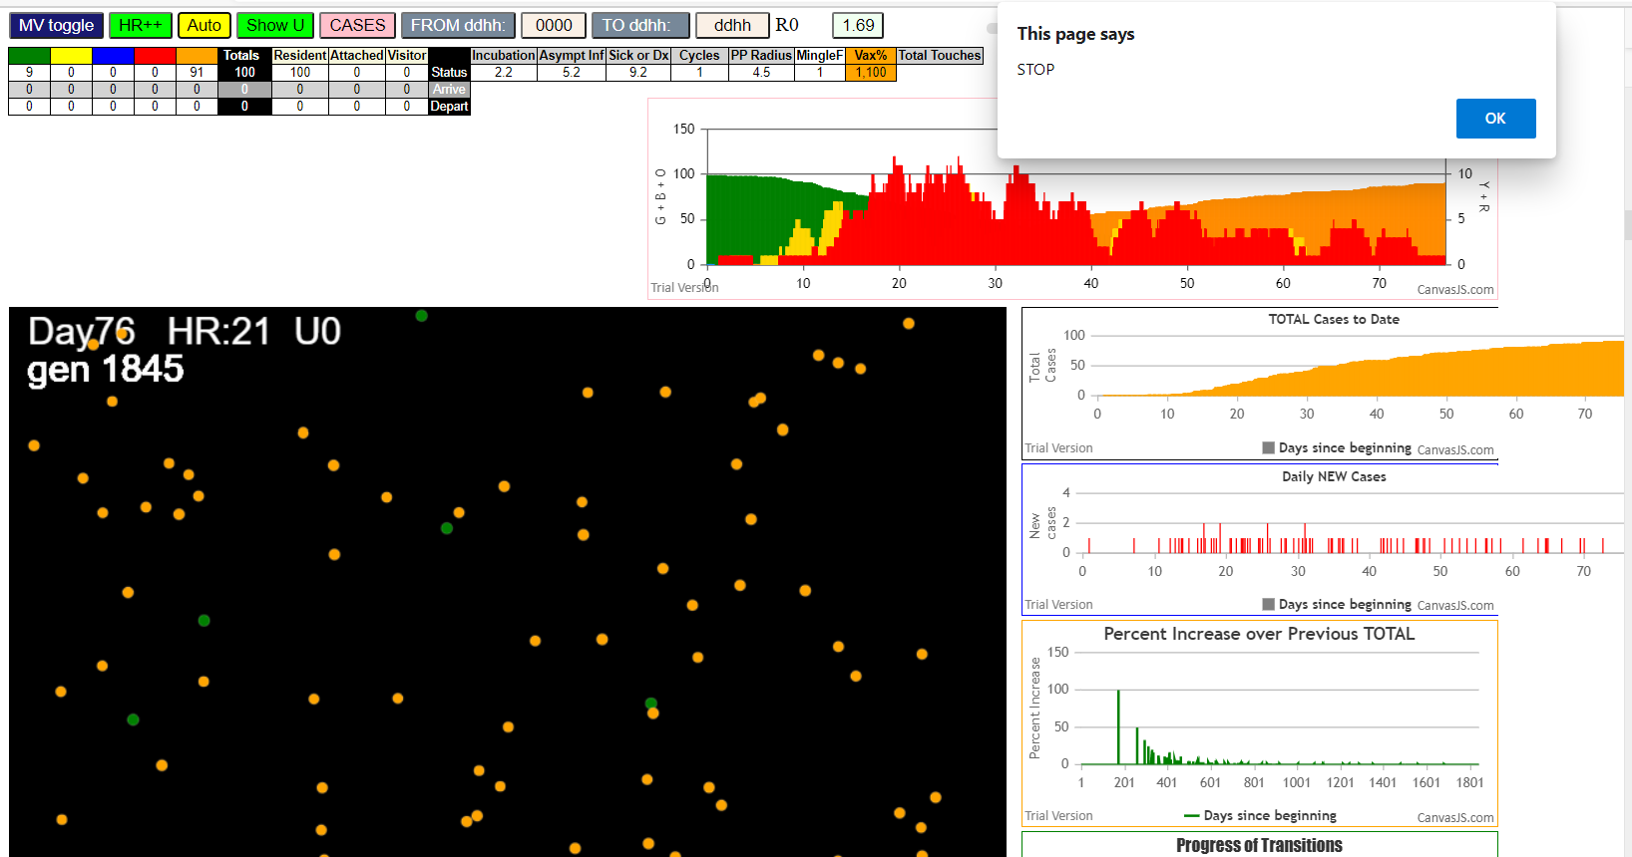

simulationRev2Vax.js:833 Thu Jan 07 2021 16:44:43 GMT-0800 (Pacific Standard Time)
simulationRev2Vax.js:834 CovidSIMVL Mode1 and Mod2 Hybrid 35d
simulationRev2Vax.js:835 Mode 1 >13 and <36 is 75%
simulationRev2Vax.js:836 Mode 2 >28 is 95%; >13 and <29 is 75%
simulationRev2Vax.js:4305 exit covidSim
simulationRev2Vax.js:23 getAsText File {name: "HundredAgentsU0mF1.csv", lastModified: 1608077990000, lastModifiedDate: Tue Dec 15 2020 16:19:50 GMT-0800 (Pacific Standard Time), webkitRelativePath: "", size: 2140, …}
...
simulationRev2Vax.js:2157 137I i:famKey 35:-1 infected by red j:famKey 67:-1 at gen 473 in U0 prob=0.769
simulationRev2Vax.js:2140 138I j:famKey 42:-1 infected by yellow i:famKey 34:-1 at gen 478 in Univ0 prob=0.951
simulationRev2Vax.js:2157 139I i:famKey 44:-1 infected by blue j:famKey 68:-1 at gen 517 in U0 prob=0.875
simulationRev2Vax.js:2140 140I j:famKey 33:-1 infected by red i:famKey 21:-1 at gen 542 in Univ0 prob=0.850
simulationRev2Vax.js:2157 140I i:famKey 49:-1 infected by red j:famKey 68:-1 at gen 542 in U0 prob=0.827
simulationRev2Vax.js:2157 142I i:famKey 8:-1 infected by red j:famKey 59:-1 at gen 548 in U0 prob=0.820
simulationRev2Vax.js:2157 143I i:famKey 28:-1 infected by red j:famKey 98:-1 at gen 591 in U0 prob=0.966
simulationRev2Vax.js:2140 144I j:famKey 80:-1 infected by red i:famKey 35:-1 at gen 626 in Univ0 prob=0.909
simulationRev2Vax.js:2157 144I i:famKey 18:-1 infected by red j:famKey 34:-1 at gen 627 in U0 prob=0.924

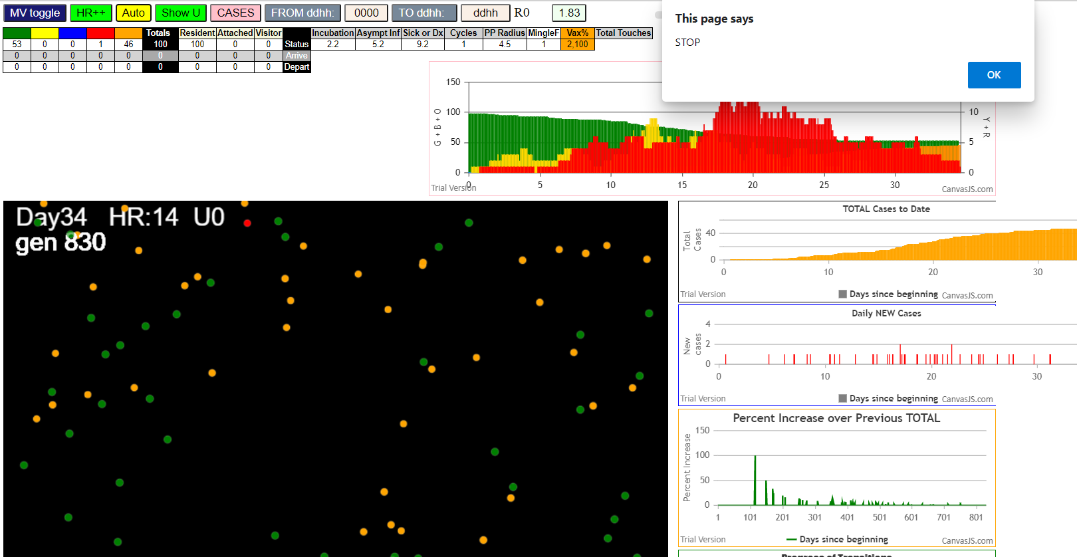

simulationRev2Vax.js:833 Thu Jan 07 2021 17:02:16 GMT-0800 (Pacific Standard Time)
simulationRev2Vax.js:834 CovidSIMVL Mode1 and Mod2 Hybrid 35d
simulationRev2Vax.js:835 Mode 1 >13 and <36 is 75%
simulationRev2Vax.js:836 Mode 2 >28 is 95%; >13 and <29 is 75%
simulationRev2Vax.js:4305 exit covidSim
simulationRev2Vax.js:23 getAsText File {name: "HundredAgentsU0mF1.csv", lastModified: 1608077990000, lastModifiedDate: Tue Dec 15 2020 16:19:50 GMT-0800 (Pacific Standard Time), webkitRelativePath: "", size: 2140, …}
simulationRev2Vax.js:32 File {name: "HundredAgentsU0mF1.csv", lastModified: 1608077990000, lastModifiedDate: Tue Dec 15 2020 16:19:50 GMT-0800 (Pacific Standard Time), webkitRelativePath: "", size: 2140, …}
...
simulationRev2Vax.js:2157 37I i:famKey 6:-1 infected by red j:famKey 98:-1 at gen 703 in U0 prob=0.879
simulationRev2Vax.js:2140 38I j:famKey 54:-1 infected by blue i:famKey 39:-1 at gen 726 in Univ0 prob=0.936
simulationRev2Vax.js:2157 39I i:famKey 32:-1 infected by red j:famKey 62:-1 at gen 754 in U0 prob=0.820
simulationRev2Vax.js:2140 40I j:famKey 51:-1 infected by red i:famKey 39:-1 at gen 857 in Univ0 prob=0.908
simulationRev2Vax.js:2157 41I i:famKey 48:-1 infected by red j:famKey 54:-1 at gen 865 in U0 prob=0.095
simulationRev2Vax.js:2157 42I i:famKey 1:-1 infected by red j:famKey 54:-1 at gen 881 in U0 prob=0.096
simulationRev2Vax.js:2157 43I i:famKey 24:-1 infected by red j:famKey 48:-1 at gen 1066 in U0 prob=0.248
simulationRev2Vax.js:2140 44I j:famKey 75:-1 infected by blue i:famKey 24:-1 at gen 1180 in Univ0 prob=0.013
simulationRev2Vax.js:2157 45I i:famKey 49:-1 infected by blue j:famKey 75:-1 at gen 1253 in U0 prob=0.705

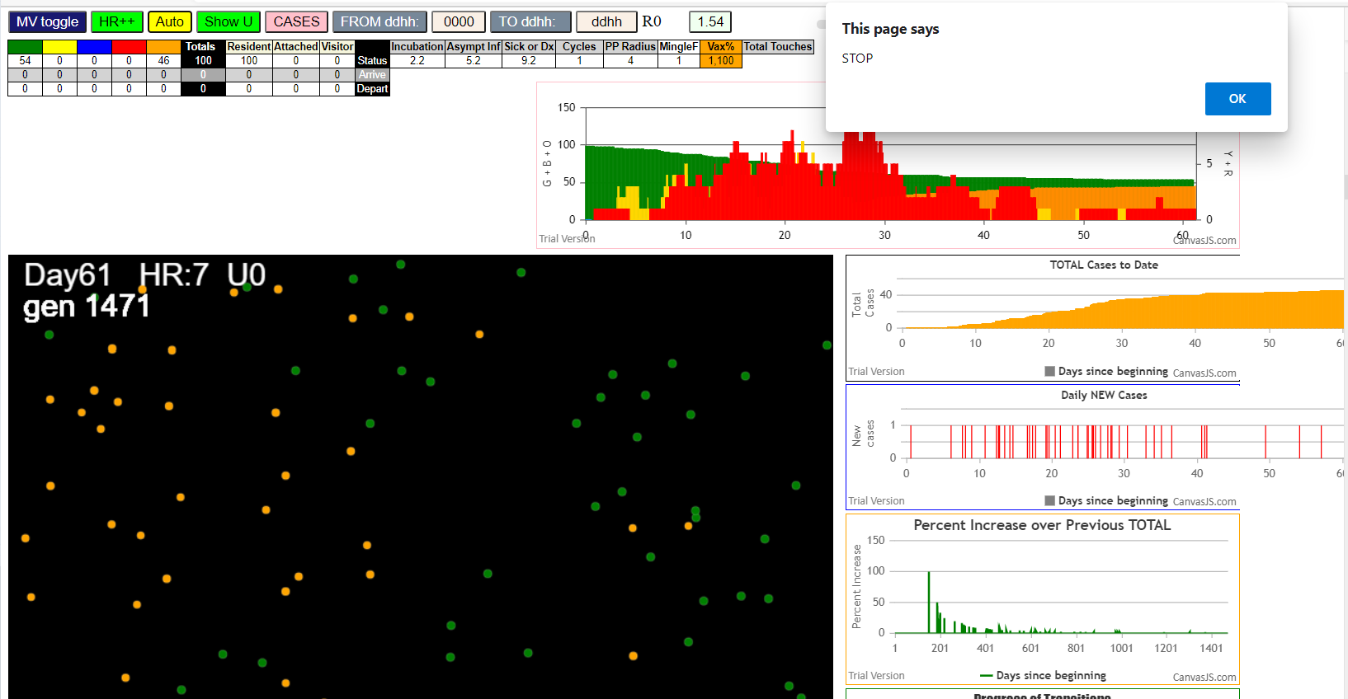

simulationRev2Vax.js:833 Thu Jan 07 2021 17:09:38 GMT-0800 (Pacific Standard Time)
simulationRev2Vax.js:834 CovidSIMVL Mode1 and Mod2 Hybrid 35d
simulationRev2Vax.js:835 Mode 1 >13 and <36 is 75%
simulationRev2Vax.js:836 Mode 2 >28 is 95%; >13 and <29 is 75%
simulationRev2Vax.js:4305 exit covidSim
simulationRev2Vax.js:23 getAsText File {name: "HundredAgentsU0mF1.csv", lastModified: 1608077990000, lastModifiedDate: Tue Dec 15 2020 16:19:50 GMT-0800 (Pacific Standard Time), webkitRelativePath: "", size: 2140, …}
simulationRev2Vax.js:32 File {name: "HundredAgentsU0mF1.csv", lastModified: 1608077990000, lastModifiedDate: Tue Dec 15 2020 16:19:50 GMT-0800 (Pacific Standard Time), webkitRelativePath: "", size: 2140, …}
...
simulationRev2Vax.js:2157 8I i:famKey 22:-1 infected by blue j:famKey 72:-1 at gen 329 in U0 prob=0.391
simulationRev2Vax.js:2157 8I i:famKey 13:-1 infected by yellow j:famKey 22:-1 at gen 330 in U0 prob=0.493
simulationRev2Vax.js:2140 10I j:famKey 33:-1 infected by red i:famKey 17:-1 at gen 354 in Univ0 prob=0.890
simulationRev2Vax.js:2140 11I j:famKey 88:-1 infected by red i:famKey 72:-1 at gen 370 in Univ0 prob=0.980
simulationRev2Vax.js:2140 12I j:famKey 95:-1 infected by blue i:famKey 38:-1 at gen 410 in Univ0 prob=0.968
simulationRev2Vax.js:2157 13I i:famKey 12:-1 infected by blue j:famKey 13:-1 at gen 416 in U0 prob=0.756
simulationRev2Vax.js:2157 14I i:famKey 23:-1 infected by blue j:famKey 33:-1 at gen 439 in U0 prob=0.807
simulationRev2Vax.js:2157 15I i:famKey 45:-1 infected by blue j:famKey 88:-1 at gen 468 in U0 prob=0.792
simulationRev2Vax.js:2157 16I i:famKey 35:-1 infected by red j:famKey 45:-1 at gen 619 in U0 prob=0.959

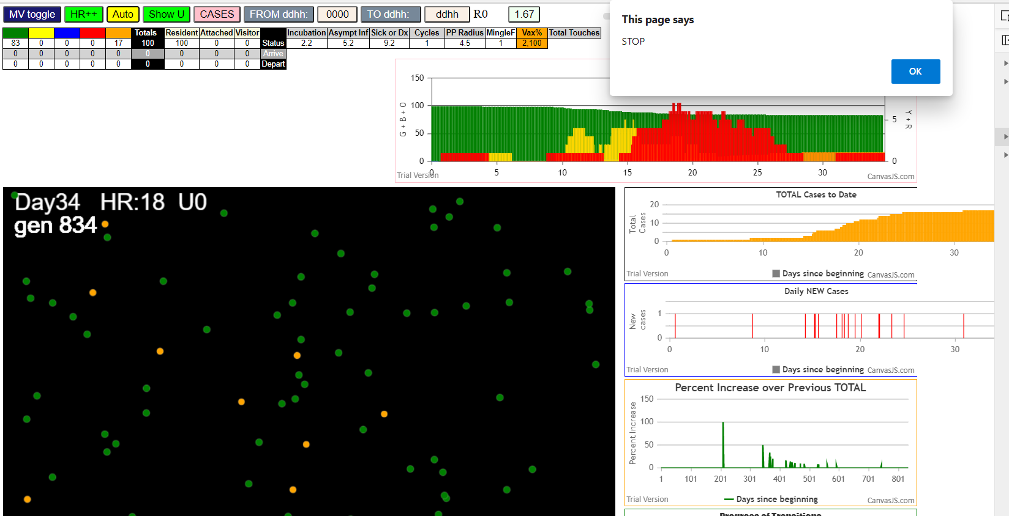

simulationRev2Vax.js:833 Thu Jan 07 2021 17:13:39 GMT-0800 (Pacific Standard Time)
simulationRev2Vax.js:834 CovidSIMVL Mode1 and Mod2 Hybrid 35d
simulationRev2Vax.js:835 Mode 1 >13 and <36 is 75%
simulationRev2Vax.js:836 Mode 2 >28 is 95%; >13 and <29 is 75%
simulationRev2Vax.js:4305 exit covidSim
simulationRev2Vax.js:23 getAsText File {name: "HundredAgentsU0mF1.csv", lastModified: 1608077990000, lastModifiedDate: Tue Dec 15 2020 16:19:50 GMT-0800 (Pacific Standard Time), webkitRelativePath: "", size: 2140, …}
simulationRev2Vax.js:32 File {name: "HundredAgentsU0mF1.csv", lastModified: 1608077990000, lastModifiedDate: Tue Dec 15 2020 16:19:50 GMT-0800 (Pacific Standard Time), webkitRelativePath: "", size: 2140, …}
...
simulationRev2Vax.js:2157 89I i:famKey 3:-1 infected by red j:famKey 36:-1 at gen 1221 in U0 prob=0.121
simulationRev2Vax.js:2157 90I i:famKey 11:-1 infected by red j:famKey 38:-1 at gen 1257 in U0 prob=0.245
simulationRev2Vax.js:2140 91I j:famKey 87:-1 infected by blue i:famKey 27:-1 at gen 1286 in Univ0 prob=0.247
simulationRev2Vax.js:2140 92I j:famKey 42:-1 infected by red i:famKey 17:-1 at gen 1294 in Univ0 prob=0.770
simulationRev2Vax.js:2140 93I j:famKey 82:-1 infected by red i:famKey 7:-1 at gen 1382 in Univ0 prob=0.342
simulationRev2Vax.js:2140 94I j:famKey 40:-1 infected by red i:famKey 7:-1 at gen 1398 in Univ0 prob=0.617
simulationRev2Vax.js:2140 95I j:famKey 96:-1 infected by red i:famKey 66:-1 at gen 1427 in Univ0 prob=0.722
simulationRev2Vax.js:2157 96I i:famKey 37:-1 infected by red j:famKey 42:-1 at gen 1473 in U0 prob=0.527
simulationRev2Vax.js:2157 97I i:famKey 14:-1 infected by blue j:famKey 96:-1 at gen 1481 in U0 prob=0.033

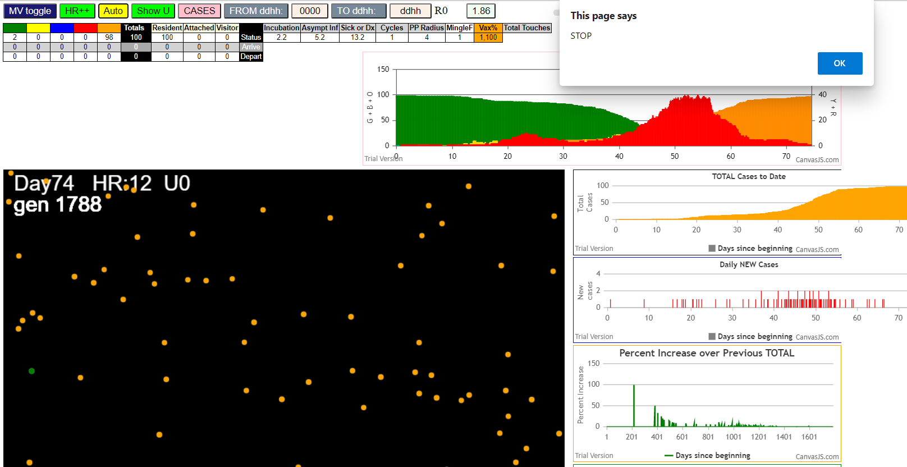

simulationRev2Vax.js:833 Thu Jan 07 2021 17:21:34 GMT-0800 (Pacific Standard Time)
simulationRev2Vax.js:834 CovidSIMVL Mode1 and Mod2 Hybrid 35d
simulationRev2Vax.js:835 Mode 1 >13 and <36 is 75%
simulationRev2Vax.js:836 Mode 2 >28 is 95%; >13 and <29 is 75%
simulationRev2Vax.js:4305 exit covidSim
simulationRev2Vax.js:1666 Mode null modified
simulationRev2Vax.js:23 getAsText File {name: "HundredAgentsU0mF1.csv", lastModified: 1608077990000, lastModifiedDate: Tue Dec 15 2020 16:19:50 GMT-0800 (Pacific Standard Time), webkitRelativePath: "", size: 2140, …}
...
simulationRev2Vax.js:2140 27I j:famKey 72:-1 infected by red i:famKey 28:-1 at gen 354 in Univ0 prob=0.847
simulationRev2Vax.js:2140 28I j:famKey 41:-1 infected by red i:famKey 10:-1 at gen 439 in Univ0 prob=0.988
simulationRev2Vax.js:2140 29I j:famKey 44:-1 infected by red i:famKey 42:-1 at gen 469 in Univ0 prob=0.803
simulationRev2Vax.js:2157 30I i:famKey 21:-1 infected by red j:famKey 88:-1 at gen 483 in U0 prob=0.999
simulationRev2Vax.js:2157 31I i:famKey 43:-1 infected by red j:famKey 80:-1 at gen 503 in U0 prob=0.798
simulationRev2Vax.js:2157 31I i:famKey 29:-1 infected by red j:famKey 75:-1 at gen 504 in U0 prob=0.758
simulationRev2Vax.js:2157 33I i:famKey 15:-1 infected by red j:famKey 33:-1 at gen 521 in U0 prob=0.821
simulationRev2Vax.js:2157 34I i:famKey 36:-1 infected by red j:famKey 67:-1 at gen 577 in U0 prob=0.866
simulationRev2Vax.js:2140 35I j:famKey 73:-1 infected by red i:famKey 44:-1 at gen 597 in Univ0 prob=0.921

